January
CheckpointName | CheckpointID | SimulationName | SimulationID | Zone | Clock.Today | SugarcaneYield | Sugarcane.sucrose_wt | Sugarcane.height | Sugarcane.WaterDemand
Current | 1 | Sugarcane | 1 | Field | 2012-12-21 | 4748.74 | 2894.94 | 5561.397303 | 0 | yield = stem | 260264.14 | g/m^2
Current | 1 | Sugarcane | 1 | Field | 2013-12-16 | 1657.73 | 867.76 | 2366.7716498 | 0 | sucrose weight | 148014 | g/m^2
Current | 1 | Sugarcane | 1 | Field | 2014-12-11 | 2074.98 | 1105.99 | 2900.9990674 | 0 | height | 310989.25799 | mm
Current | 1 | Sugarcane | 1 | Field | 2015-12-06 | 2486.45 | 1348.47 | 3410.1343364 | 0 | water demand | 0 | mm
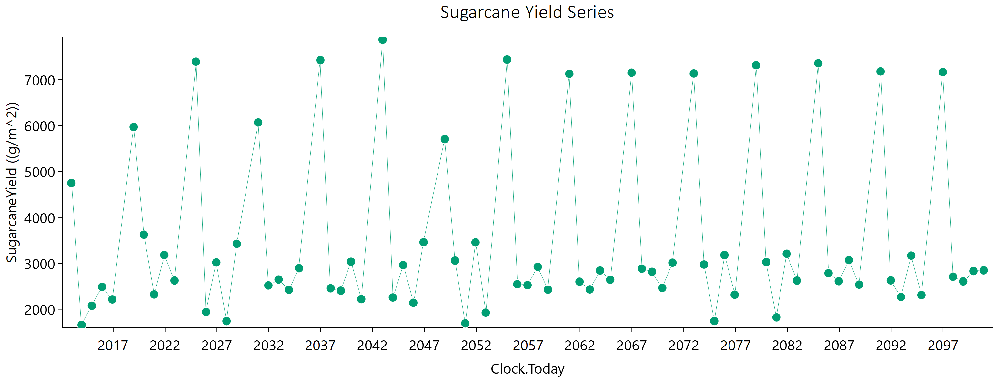
Current | 1 | Sugarcane | 1 | Field | 2016-11-30 | 2213.7 | 1029.73 | 3548.2152052 | 0
Current | 1 | Sugarcane | 1 | Field | 2018-12-22 | 5968.57 | 3388.12 | 6000 | 0
Current | 1 | Sugarcane | 1 | Field | 2019-12-17 | 3624.16 | 1972.02 | 4938.5449416 | 0
Current | 1 | Sugarcane | 1 | Field | 2020-12-11 | 2321.59 | 1294.14 | 3074.4709861 | 0
Current | 1 | Sugarcane | 1 | Field | 2021-12-06 | 3180.94 | 1754.89 | 4267.3647466 | 0
Current | 1 | Sugarcane | 1 | Field | 2022-12-01 | 2624.71 | 1433.57 | 3566.8096668 | 0
Current | 1 | Sugarcane | 1 | Field | 2024-12-21 | 7392.17 | 4851.6 | 6000 | 0
Current | 1 | Sugarcane | 1 | Field | 2025-12-16 | 1940.78 | 1046.46 | 2667.2198518 | 0
Current | 1 | Sugarcane | 1 | Field | 2026-12-11 | 3019.31 | 1599.24 | 4252.3897778 | 0
Current | 1 | Sugarcane | 1 | Field | 2027-12-06 | 1740.55 | 873.11 | 2597.8248859 | 0
Current | 1 | Sugarcane | 1 | Field | 2028-11-30 | 3425.08 | 1744.82 | 5034.7502711 | 0
Current | 1 | Sugarcane | 1 | Field | 2030-12-23 | 6068.45 | 4056.96 | 6000 | 0
Current | 1 | Sugarcane | 1 | Field | 2031-12-18 | 2518.32 | 1337.48 | 3530.4747446 | 0
Current | 1 | Sugarcane | 1 | Field | 2032-12-12 | 2646.7 | 1436.12 | 3623.5585468 | 0
Current | 1 | Sugarcane | 1 | Field | 2033-12-07 | 2422.18 | 1246.29 | 3523.1317624 | 0
Current | 1 | Sugarcane | 1 | Field | 2034-12-02 | 2893.61 | 1518.92 | 4120.8957952 | 0
Current | 1 | Sugarcane | 1 | Field | 2036-12-21 | 7425.74 | 4755.25 | 6000 | 0
Current | 1 | Sugarcane | 1 | Field | 2037-12-16 | 2455.86 | 1264.27 | 3561.3750656 | 0
Current | 1 | Sugarcane | 1 | Field | 2038-12-11 | 2403.82 | 1277.68 | 3368.294085 | 0
Current | 1 | Sugarcane | 1 | Field | 2039-12-06 | 3034.15 | 1612.43 | 4260.3912992 | 0
Current | 1 | Sugarcane | 1 | Field | 2040-11-30 | 2219.33 | 1123.99 | 3282.9726343 | 0
Current | 1 | Sugarcane | 1 | Field | 2042-12-22 | 7872.97 | 4888.48 | 6000 | 0
Current | 1 | Sugarcane | 1 | Field | 2043-12-17 | 2255.62 | 1179.64 | 3213.1525439 | 0
Current | 1 | Sugarcane | 1 | Field | 2044-12-12 | 2961.44 | 1616.06 | 4026.7050636 | 0
Current | 1 | Sugarcane | 1 | Field | 2045-12-07 | 2140.07 | 1115.06 | 3068.3042024 | 0
Current | 1 | Sugarcane | 1 | Field | 2046-12-02 | 3458.65 | 1755.94 | 5103.4413156 | 0
Current | 1 | Sugarcane | 1 | Field | 2048-12-21 | 5705.2 | 3775.59 | 5788.8164505 | 0
Current | 1 | Sugarcane | 1 | Field | 2049-12-16 | 3059.31 | 1638.08 | 4252.1668883 | 0
Current | 1 | Sugarcane | 1 | Field | 2050-12-11 | 1691.4 | 878.32 | 2428.2362554 | 0
Current | 1 | Sugarcane | 1 | Field | 2051-12-06 | 3455.28 | 1816.8 | 4909.2290535 | 0
Current | 1 | Sugarcane | 1 | Field | 2052-11-30 | 1925.13 | 978.14 | 2838.0067507 | 0
Current | 1 | Sugarcane | 1 | Field | 2054-12-22 | 7438.36 | 4701.32 | 6000 | 0
Current | 1 | Sugarcane | 1 | Field | 2055-12-17 | 2544.61 | 1288.15 | 3756.115408 | 0
Current | 1 | Sugarcane | 1 | Field | 2056-12-11 | 2524.85 | 1343.87 | 3532.0665538 | 0
Current | 1 | Sugarcane | 1 | Field | 2057-12-06 | 2922.81 | 1574.55 | 4039.2427286 | 0
Current | 1 | Sugarcane | 1 | Field | 2058-12-01 | 2426.59 | 1259.53 | 3497.4833878 | 0
Current | 1 | Sugarcane | 1 | Field | 2060-12-21 | 7127.4 | 4573.41 | 6000 | 0
Current | 1 | Sugarcane | 1 | Field | 2061-12-16 | 2599.48 | 1354.03 | 3721.747081 | 0
Current | 1 | Sugarcane | 1 | Field | 2062-12-11 | 2431.48 | 1270.03 | 3475.642682 | 0
Current | 1 | Sugarcane | 1 | Field | 2063-12-06 | 2842.46 | 1492.4 | 4044.1558637 | 0
Current | 1 | Sugarcane | 1 | Field | 2064-11-30 | 2641.4 | 1393.68 | 3739.2961118 | 0
Current | 1 | Sugarcane | 1 | Field | 2066-12-22 | 7151.24 | 4448.48 | 6000 | 0
Current | 1 | Sugarcane | 1 | Field | 2067-12-17 | 2883.98 | 1543.16 | 4009.2138004 | 0
Current | 1 | Sugarcane | 1 | Field | 2068-12-12 | 2814.85 | 1556.14 | 3766.0587127 | 0
Current | 1 | Sugarcane | 1 | Field | 2069-12-07 | 2463.78 | 1316.56 | 3436.1496616 | 0
Current | 1 | Sugarcane | 1 | Field | 2070-12-02 | 3013.54 | 1592.3 | 4260.1127366 | 0
Current | 1 | Sugarcane | 1 | Field | 2072-12-21 | 7134.65 | 4415.69 | 6000 | 0
Current | 1 | Sugarcane | 1 | Field | 2073-12-16 | 2973.35 | 1583.01 | 4160.6427107 | 0
Current | 1 | Sugarcane | 1 | Field | 2074-12-11 | 1742.13 | 909.87 | 2483.0105142 | 0
Current | 1 | Sugarcane | 1 | Field | 2075-12-06 | 3179.84 | 1707.24 | 4412.1504149 | 0
Current | 1 | Sugarcane | 1 | Field | 2076-11-30 | 2316.17 | 1205.9 | 3327.0701001 | 0
Current | 1 | Sugarcane | 1 | Field | 2078-12-22 | 7314.88 | 4440.61 | 6000 | 0
Current | 1 | Sugarcane | 1 | Field | 2079-12-17 | 3026.31 | 1535.96 | 4459.0914522 | 0
Current | 1 | Sugarcane | 1 | Field | 2080-12-11 | 1822.37 | 981.54 | 2507.7825377 | 0
Current | 1 | Sugarcane | 1 | Field | 2081-12-06 | 3208.26 | 1729.6 | 4430.1698504 | 0
Current | 1 | Sugarcane | 1 | Field | 2082-12-01 | 2623.59 | 1419.67 | 3607.3879723 | 0
Current | 1 | Sugarcane | 1 | Field | 2084-12-21 | 7356.47 | 4675.5 | 6000 | 0
Current | 1 | Sugarcane | 1 | Field | 2085-12-16 | 2785.07 | 1474.7 | 3915.6000912 | 0
Current | 1 | Sugarcane | 1 | Field | 2086-12-11 | 2610.02 | 1432.05 | 3523.2542573 | 0
Current | 1 | Sugarcane | 1 | Field | 2087-12-06 | 3069.9 | 1677.22 | 4172.786179 | 0
Current | 1 | Sugarcane | 1 | Field | 2088-11-30 | 2535.24 | 1323.8 | 3630.578086 | 0
Current | 1 | Sugarcane | 1 | Field | 2090-12-22 | 7178.98 | 4463.61 | 6000 | 0
Current | 1 | Sugarcane | 1 | Field | 2091-12-17 | 2627.71 | 1433.74 | 3567.0908458 | 0
Current | 1 | Sugarcane | 1 | Field | 2092-12-11 | 2266.46 | 1199.19 | 3189.9832441 | 0
Current | 1 | Sugarcane | 1 | Field | 2093-12-06 | 3167.86 | 1672.08 | 4481.3874283 | 0
Current | 1 | Sugarcane | 1 | Field | 2094-12-01 | 2308.6 | 1219.36 | 3263.6450573 | 0
Current | 1 | Sugarcane | 1 | Field | 2096-12-21 | 7164.26 | 4513.13 | 6000 | 0
Current | 1 | Sugarcane | 1 | Field | 2097-12-16 | 2708.83 | 1394.15 | 3931.2801124 | 0
Current | 1 | Sugarcane | 1 | Field | 2098-12-11 | 2605.72 | 1394.77 | 3622.4952725 | 0
Current | 1 | Sugarcane | 1 | Field | 2099-12-06 | 2830.96 | 1521.13 | 3923.4369277 | 0
Current | 1 | Sugarcane | 1 | Field | 2100-12-01 | 2846.99 | 1506.51 | 4017.0850658 | 0

February
CheckpointName | CheckpointID | SimulationName | SimulationID | Zone | Clock.Today | SugarcaneYield | Sugarcane.sucrose_wt | Sugarcane.height | Sugarcane.WaterDemand
Current | 1 | Sugarcane | 1 | Field | 2013-01-21 | 4798.97 | 2899.86 | 5697.3326683 | 0 | yield = stem | 222584.17 | g/m^2
Current | 1 | Sugarcane | 1 | Field | 2014-01-16 | 1708.09 | 873.9 | 2492.1987076 | 0 | sucrose weight | 126314.7 | g/m^2
Current | 1 | Sugarcane | 1 | Field | 2015-01-11 | 2106.13 | 1113.71 | 2975.620805 | 0 | height | 277808.85187 | mm
Current | 1 | Sugarcane | 1 | Field | 2016-01-06 | 2320.64 | 1228.77 | 3255.0897143 | 0 | water demand | 0 | mm
Current | 1 | Sugarcane | 1 | Field | 2016-12-31 | 2191.63 | 1163.86 | 3072.5297124 | 0
Current | 1 | Sugarcane | 1 | Field | 2019-01-22 | 4654.26 | 2748.56 | 5717.0991538 | 0
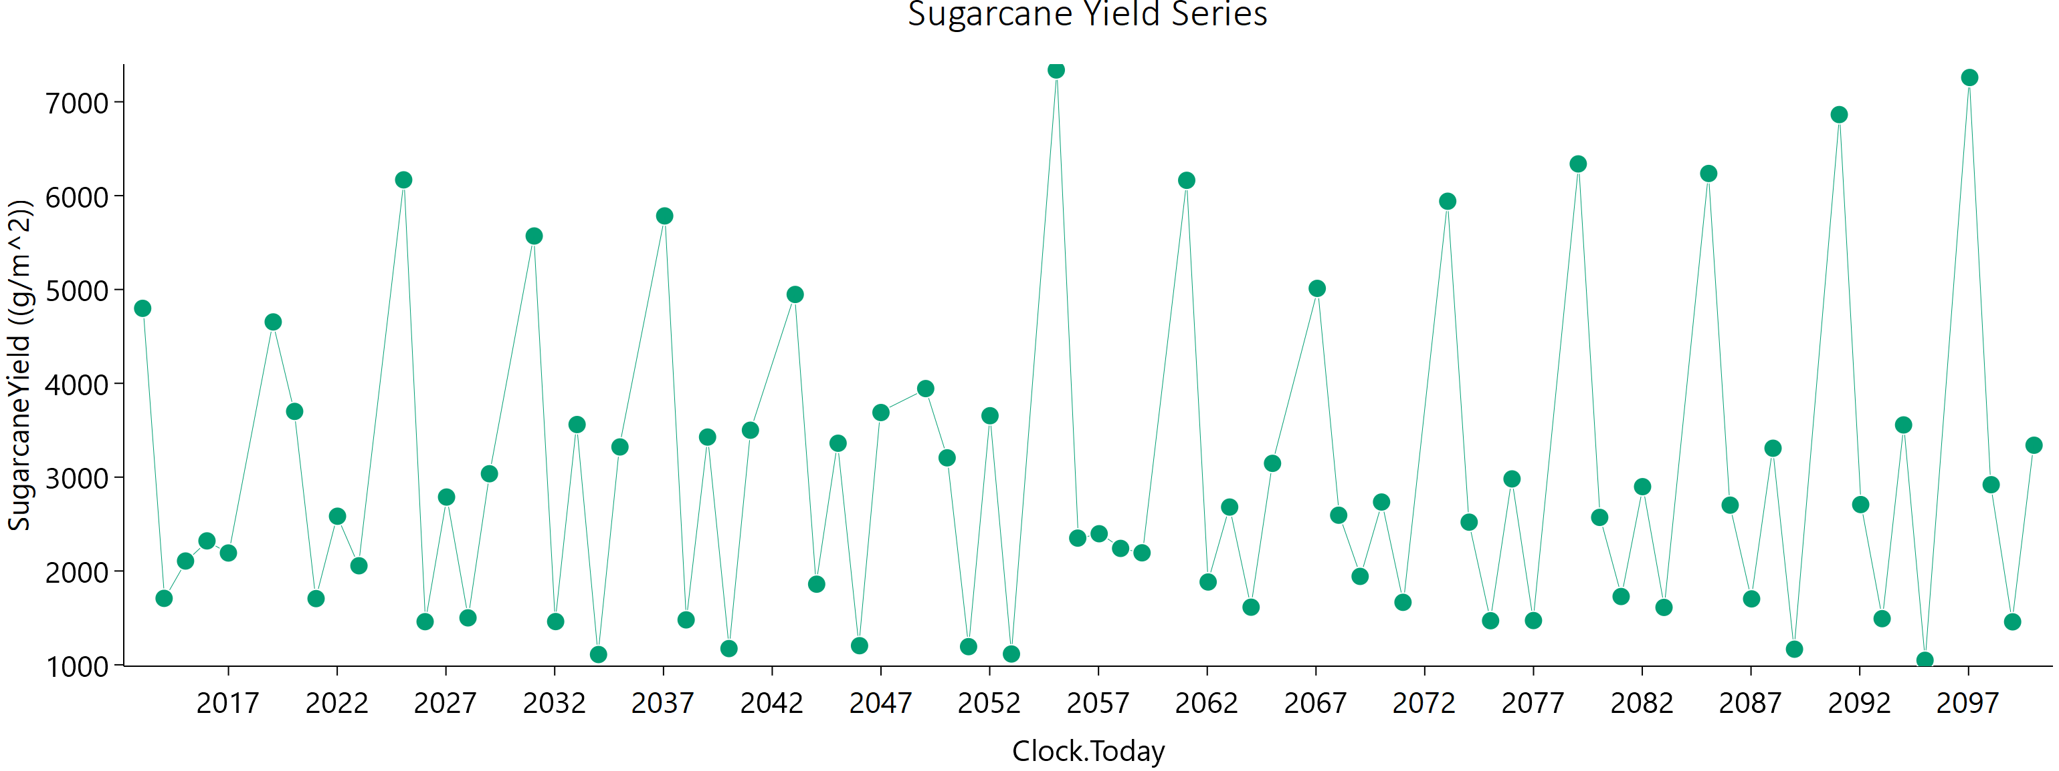
Current | 1 | Sugarcane | 1 | Field | 2020-01-17 | 3700.58 | 2013.64 | 5043.4819826 | 0
Current | 1 | Sugarcane | 1 | Field | 2021-01-11 | 1705.5 | 879.29 | 2476.1308833 | 0
Current | 1 | Sugarcane | 1 | Field | 2022-01-06 | 2583.56 | 1452.87 | 3372.361667 | 0
Current | 1 | Sugarcane | 1 | Field | 2023-01-01 | 2055.58 | 1103.2 | 2848.3663888 | 0
Current | 1 | Sugarcane | 1 | Field | 2025-01-21 | 6168.35 | 4080.3 | 6000 | 0
Current | 1 | Sugarcane | 1 | Field | 2026-01-16 | 1459.75 | 746.82 | 2126.2357433 | 0
Current | 1 | Sugarcane | 1 | Field | 2027-01-11 | 2787.81 | 1506.17 | 3830.9894132 | 0
Current | 1 | Sugarcane | 1 | Field | 2028-01-06 | 1500.31 | 770.02 | 2176.8839872 | 0
Current | 1 | Sugarcane | 1 | Field | 2028-12-31 | 3036.2 | 1625.14 | 4222.0367319 | 0
Current | 1 | Sugarcane | 1 | Field | 2031-01-22 | 5570.16 | 3453.85 | 6000 | 0
Current | 1 | Sugarcane | 1 | Field | 2032-01-17 | 1460.79 | 728.31 | 2182.804727 | 0
Current | 1 | Sugarcane | 1 | Field | 2033-01-11 | 3560.64 | 1965.13 | 4776.2807499 | 0
Current | 1 | Sugarcane | 1 | Field | 2034-01-06 | 1109.62 | 544.4 | 1683.6440748 | 0
Current | 1 | Sugarcane | 1 | Field | 2035-01-01 | 3321.86 | 1775.01 | 4630.5146017 | 0
Current | 1 | Sugarcane | 1 | Field | 2037-01-21 | 5784.08 | 3621.98 | 6000 | 0
Current | 1 | Sugarcane | 1 | Field | 2038-01-16 | 1478.9 | 738.44 | 2207.4124907 | 0
Current | 1 | Sugarcane | 1 | Field | 2039-01-11 | 3427.08 | 1840.92 | 4745.5072193 | 0
Current | 1 | Sugarcane | 1 | Field | 2040-01-06 | 1173.06 | 587.99 | 1742.178258 | 0
Current | 1 | Sugarcane | 1 | Field | 2040-12-31 | 3500.1 | 1789.09 | 5123.677229 | 0
Current | 1 | Sugarcane | 1 | Field | 2043-01-22 | 4946.8 | 3204.93 | 5225.1777134 | 0
Current | 1 | Sugarcane | 1 | Field | 2044-01-17 | 1859.29 | 960.81 | 2679.9109728 | 0
Current | 1 | Sugarcane | 1 | Field | 2045-01-11 | 3361.36 | 1877.33 | 4439.1152053 | 0
Current | 1 | Sugarcane | 1 | Field | 2046-01-06 | 1203.76 | 591.24 | 1824.8432562 | 0
Current | 1 | Sugarcane | 1 | Field | 2047-01-01 | 3688.64 | 1870.04 | 5445.018015 | 0
Current | 1 | Sugarcane | 1 | Field | 2049-01-21 | 3943.99 | 2425.78 | 4554.4822733 | 0
Current | 1 | Sugarcane | 1 | Field | 2050-01-16 | 3205.82 | 1760.17 | 4324.827822 | 0
Current | 1 | Sugarcane | 1 | Field | 2051-01-11 | 1193.58 | 585.31 | 1812.0004075 | 0
Current | 1 | Sugarcane | 1 | Field | 2052-01-06 | 3654.6 | 1943.38 | 5122.2283797 | 0
Current | 1 | Sugarcane | 1 | Field | 2052-12-31 | 1115.38 | 561.3 | 1651.2673206 | 0
Current | 1 | Sugarcane | 1 | Field | 2055-01-23 | 7339.18 | 4590.71 | 6000 | 0
Current | 1 | Sugarcane | 1 | Field | 2056-01-18 | 2350.21 | 1167.77 | 3529.6952274 | 0
Current | 1 | Sugarcane | 1 | Field | 2057-01-12 | 2396.9 | 1261.24 | 3390.0203993 | 0
Current | 1 | Sugarcane | 1 | Field | 2058-01-07 | 2240.51 | 1186.5 | 3144.8216823 | 0
Current | 1 | Sugarcane | 1 | Field | 2059-01-02 | 2193.52 | 1148.04 | 3119.5037082 | 0
Current | 1 | Sugarcane | 1 | Field | 2061-01-21 | 6163.26 | 3839.66 | 6000 | 0
Current | 1 | Sugarcane | 1 | Field | 2062-01-16 | 1882.54 | 1000.3 | 2631.2684538 | 0
Current | 1 | Sugarcane | 1 | Field | 2063-01-12 | 2681.15 | 1429.83 | 3741.6248989 | 0
Current | 1 | Sugarcane | 1 | Field | 2064-01-07 | 1614.01 | 828.15 | 2342.3326745 | 0
Current | 1 | Sugarcane | 1 | Field | 2065-01-01 | 3146.87 | 1708.26 | 4303.8432109 | 0
Current | 1 | Sugarcane | 1 | Field | 2067-01-22 | 5011.7 | 2999.48 | 6000 | 0
Current | 1 | Sugarcane | 1 | Field | 2068-01-17 | 2594.21 | 1384.76 | 3611.4348096 | 0
Current | 1 | Sugarcane | 1 | Field | 2069-01-11 | 1942.25 | 1062.35 | 2622.1595094 | 0
Current | 1 | Sugarcane | 1 | Field | 2070-01-06 | 2734.82 | 1480.15 | 3750.4583276 | 0
Current | 1 | Sugarcane | 1 | Field | 2071-01-01 | 1665.88 | 877.12 | 2350.6862767 | 0
Current | 1 | Sugarcane | 1 | Field | 2073-01-21 | 5940.39 | 3784.79 | 6000 | 0
Current | 1 | Sugarcane | 1 | Field | 2074-01-16 | 2520.27 | 1325.89 | 3566.0396314 | 0
Current | 1 | Sugarcane | 1 | Field | 2075-01-11 | 1469.82 | 739.75 | 2175.2589249 | 0
Current | 1 | Sugarcane | 1 | Field | 2076-01-06 | 2981.36 | 1628.56 | 4046.5735494 | 0
Current | 1 | Sugarcane | 1 | Field | 2076-12-31 | 1471.76 | 764.16 | 2108.0491153 | 0
Current | 1 | Sugarcane | 1 | Field | 2079-01-22 | 6338.36 | 4040.01 | 6000 | 0
Current | 1 | Sugarcane | 1 | Field | 2080-01-17 | 2571.04 | 1341.7 | 3669.6445429 | 0
Current | 1 | Sugarcane | 1 | Field | 2081-01-11 | 1727.76 | 911.96 | 2429.0043155 | 0
Current | 1 | Sugarcane | 1 | Field | 2082-01-06 | 2898.5 | 1593 | 3902.9664053 | 0
Current | 1 | Sugarcane | 1 | Field | 2083-01-01 | 1611.67 | 859.16 | 2242.2447272 | 0
Current | 1 | Sugarcane | 1 | Field | 2085-01-21 | 6236.21 | 4108.51 | 6000 | 0
Current | 1 | Sugarcane | 1 | Field | 2086-01-16 | 2701.57 | 1462.13 | 3699.8737393 | 0
Current | 1 | Sugarcane | 1 | Field | 2087-01-11 | 1702.59 | 894.68 | 2409.5047788 | 0
Current | 1 | Sugarcane | 1 | Field | 2088-01-06 | 3308.03 | 1856.79 | 4342.46258 | 0
Current | 1 | Sugarcane | 1 | Field | 2088-12-31 | 1166.35 | 594.66 | 1702.0303623 | 0
Current | 1 | Sugarcane | 1 | Field | 2091-01-22 | 6863.83 | 4298.41 | 6000 | 0
Current | 1 | Sugarcane | 1 | Field | 2092-01-17 | 2707.7 | 1435.84 | 3796.2532442 | 0
Current | 1 | Sugarcane | 1 | Field | 2093-01-11 | 1491.79 | 747.75 | 2217.1283926 | 0
Current | 1 | Sugarcane | 1 | Field | 2094-01-06 | 3556.58 | 1882.13 | 5012.1343125 | 0
Current | 1 | Sugarcane | 1 | Field | 2095-01-01 | 1048.1 | 501.9 | 1626.5534844 | 0
Current | 1 | Sugarcane | 1 | Field | 2097-01-21 | 7259.07 | 4459.93 | 6000 | 0
Current | 1 | Sugarcane | 1 | Field | 2098-01-16 | 2919.52 | 1541.37 | 4118.5623563 | 0
Current | 1 | Sugarcane | 1 | Field | 2099-01-11 | 1457.92 | 734.93 | 2153.5998384 | 0
Current | 1 | Sugarcane | 1 | Field | 2100-01-06 | 3340.1 | 1810.85 | 4575.870118 | 0

March
CheckpointName | CheckpointID | SimulationName | SimulationID | Zone | Clock.Today | SugarcaneYield | Sugarcane.sucrose_wt | Sugarcane.height | Sugarcane.WaterDemand
Current | 1 | Sugarcane | 1 | Field | 2013-02-18 | 4907.7 | 2912.55 | 5985.4244362 | 0 | yield = stem | 226088.35 | g/m^2
Current | 1 | Sugarcane | 1 | Field | 2014-02-13 | 1740.8 | 859.08 | 2641.7870422 | 0 | sucrose weight | 127354.66 | g/m^2
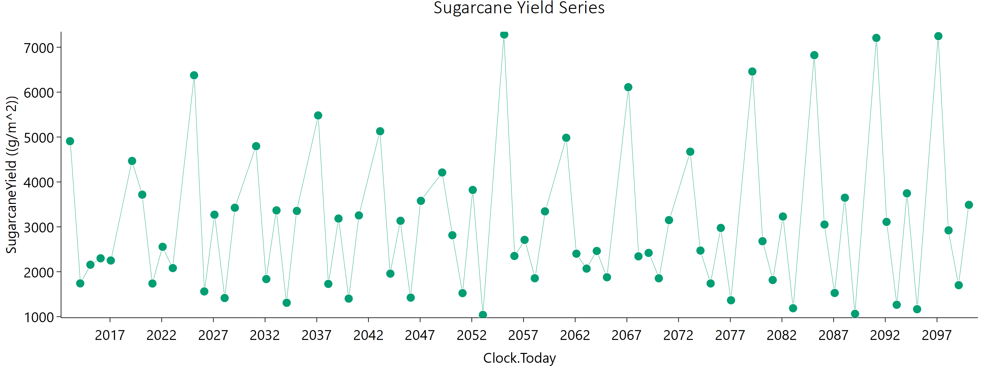
Current | 1 | Sugarcane | 1 | Field | 2015-02-08 | 2156.89 | 1133.34 | 3061.8664423 | 0 | height | 283830.18929 | mm
Current | 1 | Sugarcane | 1 | Field | 2016-02-03 | 2299.02 | 1208.44 | 3264.7244514 | 0 | water demand | 0 | mm
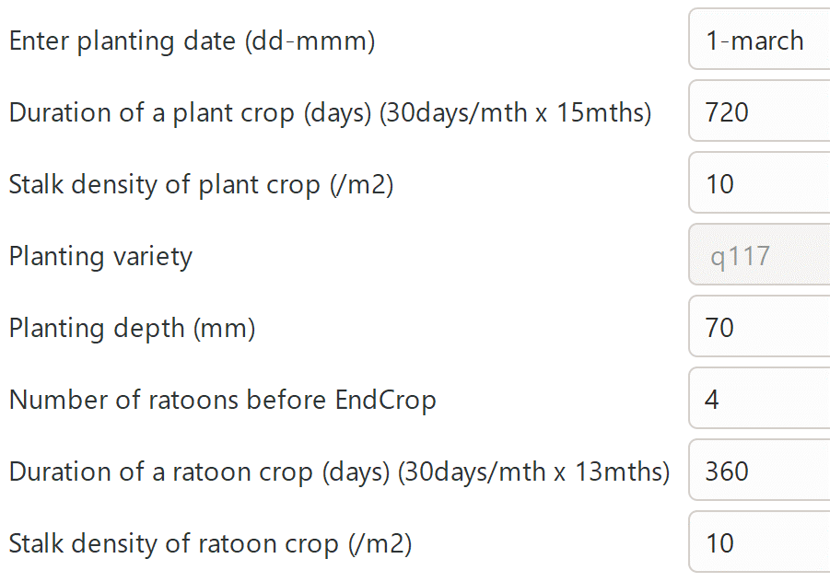
Current | 1 | Sugarcane | 1 | Field | 2017-01-28 | 2250.6 | 1148 | 3298.9281119 | 0
Current | 1 | Sugarcane | 1 | Field | 2019-02-19 | 4467 | 2601.66 | 5596.0225329 | 0
Current | 1 | Sugarcane | 1 | Field | 2020-02-14 | 3716.8 | 1959.53 | 5253.4259963 | 0
Current | 1 | Sugarcane | 1 | Field | 2021-02-08 | 1738.27 | 870.16 | 2587.1079631 | 0
Current | 1 | Sugarcane | 1 | Field | 2022-02-03 | 2555.18 | 1391.72 | 3483.5793273 | 0
Current | 1 | Sugarcane | 1 | Field | 2023-01-29 | 2081.91 | 1075.88 | 3003.7971067 | 0
Current | 1 | Sugarcane | 1 | Field | 2025-02-18 | 6375.03 | 4204.63 | 6000 | 0
Current | 1 | Sugarcane | 1 | Field | 2026-02-13 | 1561.52 | 779.19 | 2328.1498038 | 0
Current | 1 | Sugarcane | 1 | Field | 2027-02-08 | 3270.64 | 1840.01 | 4277.9454913 | 0
Current | 1 | Sugarcane | 1 | Field | 2028-02-03 | 1414.74 | 710.68 | 2096.1522128 | 0
Current | 1 | Sugarcane | 1 | Field | 2029-01-28 | 3425.06 | 1848.91 | 4718.3071992 | 0
Current | 1 | Sugarcane | 1 | Field | 2031-02-19 | 4796.86 | 2992.2 | 5413.580694 | 0
Current | 1 | Sugarcane | 1 | Field | 2032-02-14 | 1837.21 | 921.37 | 2729.5993298 | 0
Current | 1 | Sugarcane | 1 | Field | 2033-02-08 | 3366.39 | 1890.41 | 4414.1859016 | 0
Current | 1 | Sugarcane | 1 | Field | 2034-02-03 | 1309.14 | 649.29 | 1961.629717 | 0
Current | 1 | Sugarcane | 1 | Field | 2035-01-29 | 3354.41 | 1842 | 4526.2921169 | 0
Current | 1 | Sugarcane | 1 | Field | 2037-02-18 | 5480.66 | 3431.09 | 6000 | 0
Current | 1 | Sugarcane | 1 | Field | 2038-02-13 | 1729.58 | 860.72 | 2589.4771681 | 0
Current | 1 | Sugarcane | 1 | Field | 2039-02-08 | 3184.4 | 1752.05 | 4280.7413247 | 0
Current | 1 | Sugarcane | 1 | Field | 2040-02-03 | 1402.09 | 709.61 | 2060.573909 | 0
Current | 1 | Sugarcane | 1 | Field | 2041-01-28 | 3254.51 | 1783.13 | 4403.0876581 | 0
Current | 1 | Sugarcane | 1 | Field | 2043-02-19 | 5128.95 | 3342.47 | 5359.1180755 | 0
Current | 1 | Sugarcane | 1 | Field | 2044-02-14 | 1957.67 | 1008.51 | 2827.7084522 | 0
Current | 1 | Sugarcane | 1 | Field | 2045-02-08 | 3134.45 | 1760.55 | 4106.330289 | 0
Current | 1 | Sugarcane | 1 | Field | 2046-02-03 | 1423.72 | 697.13 | 2165.1136887 | 0
Current | 1 | Sugarcane | 1 | Field | 2047-01-29 | 3579.01 | 1943.33 | 4896.4606903 | 0
Current | 1 | Sugarcane | 1 | Field | 2049-02-18 | 4209.88 | 2561.36 | 4945.3415119 | 0
Current | 1 | Sugarcane | 1 | Field | 2050-02-13 | 2813.35 | 1513.99 | 3880.645945 | 0
Current | 1 | Sugarcane | 1 | Field | 2051-02-08 | 1524.08 | 752.05 | 2297.7246531 | 0
Current | 1 | Sugarcane | 1 | Field | 2052-02-03 | 3821.19 | 2129.55 | 5062.5819365 | 0
Current | 1 | Sugarcane | 1 | Field | 2053-01-28 | 1038.54 | 505.68 | 1586.8006946 | 0
Current | 1 | Sugarcane | 1 | Field | 2055-02-19 | 7282.71 | 4530 | 6000 | 0
Current | 1 | Sugarcane | 1 | Field | 2056-02-14 | 2351.3 | 1014.37 | 3987.360063 | 0
Current | 1 | Sugarcane | 1 | Field | 2057-02-08 | 2709.58 | 1440.31 | 3792.2874836 | 0
Current | 1 | Sugarcane | 1 | Field | 2058-02-03 | 1855.04 | 957.61 | 2675.2678006 | 0
Current | 1 | Sugarcane | 1 | Field | 2059-01-29 | 3344.48 | 1852.15 | 4465.5114345 | 0
Current | 1 | Sugarcane | 1 | Field | 2061-02-18 | 4983.26 | 3010.86 | 5916.9756135 | 0
Current | 1 | Sugarcane | 1 | Field | 2062-02-13 | 2401.79 | 1265.87 | 3387.1358384 | 0
Current | 1 | Sugarcane | 1 | Field | 2063-02-08 | 2070 | 1058.51 | 3013.9162497 | 0
Current | 1 | Sugarcane | 1 | Field | 2064-02-03 | 2462.35 | 1260.9 | 3583.1919244 | 0
Current | 1 | Sugarcane | 1 | Field | 2065-01-28 | 1877.39 | 985.35 | 2657.8598418 | 0
Current | 1 | Sugarcane | 1 | Field | 2067-02-19 | 6109.77 | 3832.73 | 6000 | 0
Current | 1 | Sugarcane | 1 | Field | 2068-02-14 | 2343.12 | 1229.3 | 3325.7821358 | 0
Current | 1 | Sugarcane | 1 | Field | 2069-02-08 | 2419.72 | 1302.8 | 3329.5309168 | 0
Current | 1 | Sugarcane | 1 | Field | 2070-02-03 | 1854.15 | 977.43 | 2610.2127649 | 0
Current | 1 | Sugarcane | 1 | Field | 2071-01-29 | 3150.07 | 1778.12 | 4103.5471111 | 0
Current | 1 | Sugarcane | 1 | Field | 2073-02-18 | 4673.11 | 2731.09 | 5825.8597203 | 0
Current | 1 | Sugarcane | 1 | Field | 2074-02-13 | 2471.93 | 1287.32 | 3532.4948826 | 0
Current | 1 | Sugarcane | 1 | Field | 2075-02-08 | 1739.23 | 885.01 | 2541.1649391 | 0
Current | 1 | Sugarcane | 1 | Field | 2076-02-03 | 2976.05 | 1637.81 | 4000.2234085 | 0
Current | 1 | Sugarcane | 1 | Field | 2077-01-28 | 1364.81 | 681.85 | 2034.8141314 | 0
Current | 1 | Sugarcane | 1 | Field | 2079-02-20 | 6459.09 | 4089.36 | 6000 | 0
Current | 1 | Sugarcane | 1 | Field | 2080-02-15 | 2680.18 | 1379.6 | 3882.7685724 | 0
Current | 1 | Sugarcane | 1 | Field | 2081-02-09 | 1816.08 | 949.87 | 2582.5336418 | 0
Current | 1 | Sugarcane | 1 | Field | 2082-02-04 | 3230.35 | 1774.37 | 4352.8355529 | 0
Current | 1 | Sugarcane | 1 | Field | 2083-01-30 | 1187.35 | 588.89 | 1782.8700345 | 0
Current | 1 | Sugarcane | 1 | Field | 2085-02-18 | 6823.13 | 4376.4 | 6000 | 0
Current | 1 | Sugarcane | 1 | Field | 2086-02-13 | 3051.28 | 1684.46 | 4090.8960372 | 0
Current | 1 | Sugarcane | 1 | Field | 2087-02-08 | 1527.64 | 764.73 | 2269.2742075 | 0
Current | 1 | Sugarcane | 1 | Field | 2088-02-03 | 3648.57 | 2069.64 | 4725.4062758 | 0
Current | 1 | Sugarcane | 1 | Field | 2089-01-28 | 1063.07 | 509.73 | 1647.8267003 | 0
Current | 1 | Sugarcane | 1 | Field | 2091-02-19 | 7207.15 | 4370.97 | 6000 | 0
Current | 1 | Sugarcane | 1 | Field | 2092-02-14 | 3110.32 | 1681.53 | 4268.1162091 | 0
Current | 1 | Sugarcane | 1 | Field | 2093-02-08 | 1264.49 | 604.05 | 1966.0778806 | 0
Current | 1 | Sugarcane | 1 | Field | 2094-02-03 | 3746.54 | 2012.66 | 5188.5328918 | 0
Current | 1 | Sugarcane | 1 | Field | 2095-01-29 | 1166.39 | 536.48 | 1875.2766926 | 0
Current | 1 | Sugarcane | 1 | Field | 2097-02-18 | 7247.15 | 4328.24 | 6000 | 0
Current | 1 | Sugarcane | 1 | Field | 2098-02-13 | 2921.63 | 1522.87 | 4175.7396581 | 0
Current | 1 | Sugarcane | 1 | Field | 2099-02-08 | 1701.4 | 852.95 | 2526.2135369 | 0
Current | 1 | Sugarcane | 1 | Field | 2100-02-03 | 3489.43 | 1948.2 | 4608.4732679 | 0

April
CheckpointName | CheckpointID | SimulationName | SimulationID | Zone | Clock.Today | SugarcaneYield | Sugarcane.sucrose_wt | Sugarcane.height | Sugarcane.WaterDemand
Current | 1 | Sugarcane | 1 | Field | 2013-03-21 | 4881.58 | 2846.67 | 6000 | 0 | yield = stem | 225166.99 | g/m^2
Current | 1 | Sugarcane | 1 | Field | 2014-03-16 | 1730.65 | 840.84 | 2660.4732493 | 0 | sucrose weight | 121789.2 | g/m^2
Current | 1 | Sugarcane | 1 | Field | 2015-03-11 | 2151.27 | 1115.39 | 3098.6703872 | 0 | height | 287792.22002 | mm
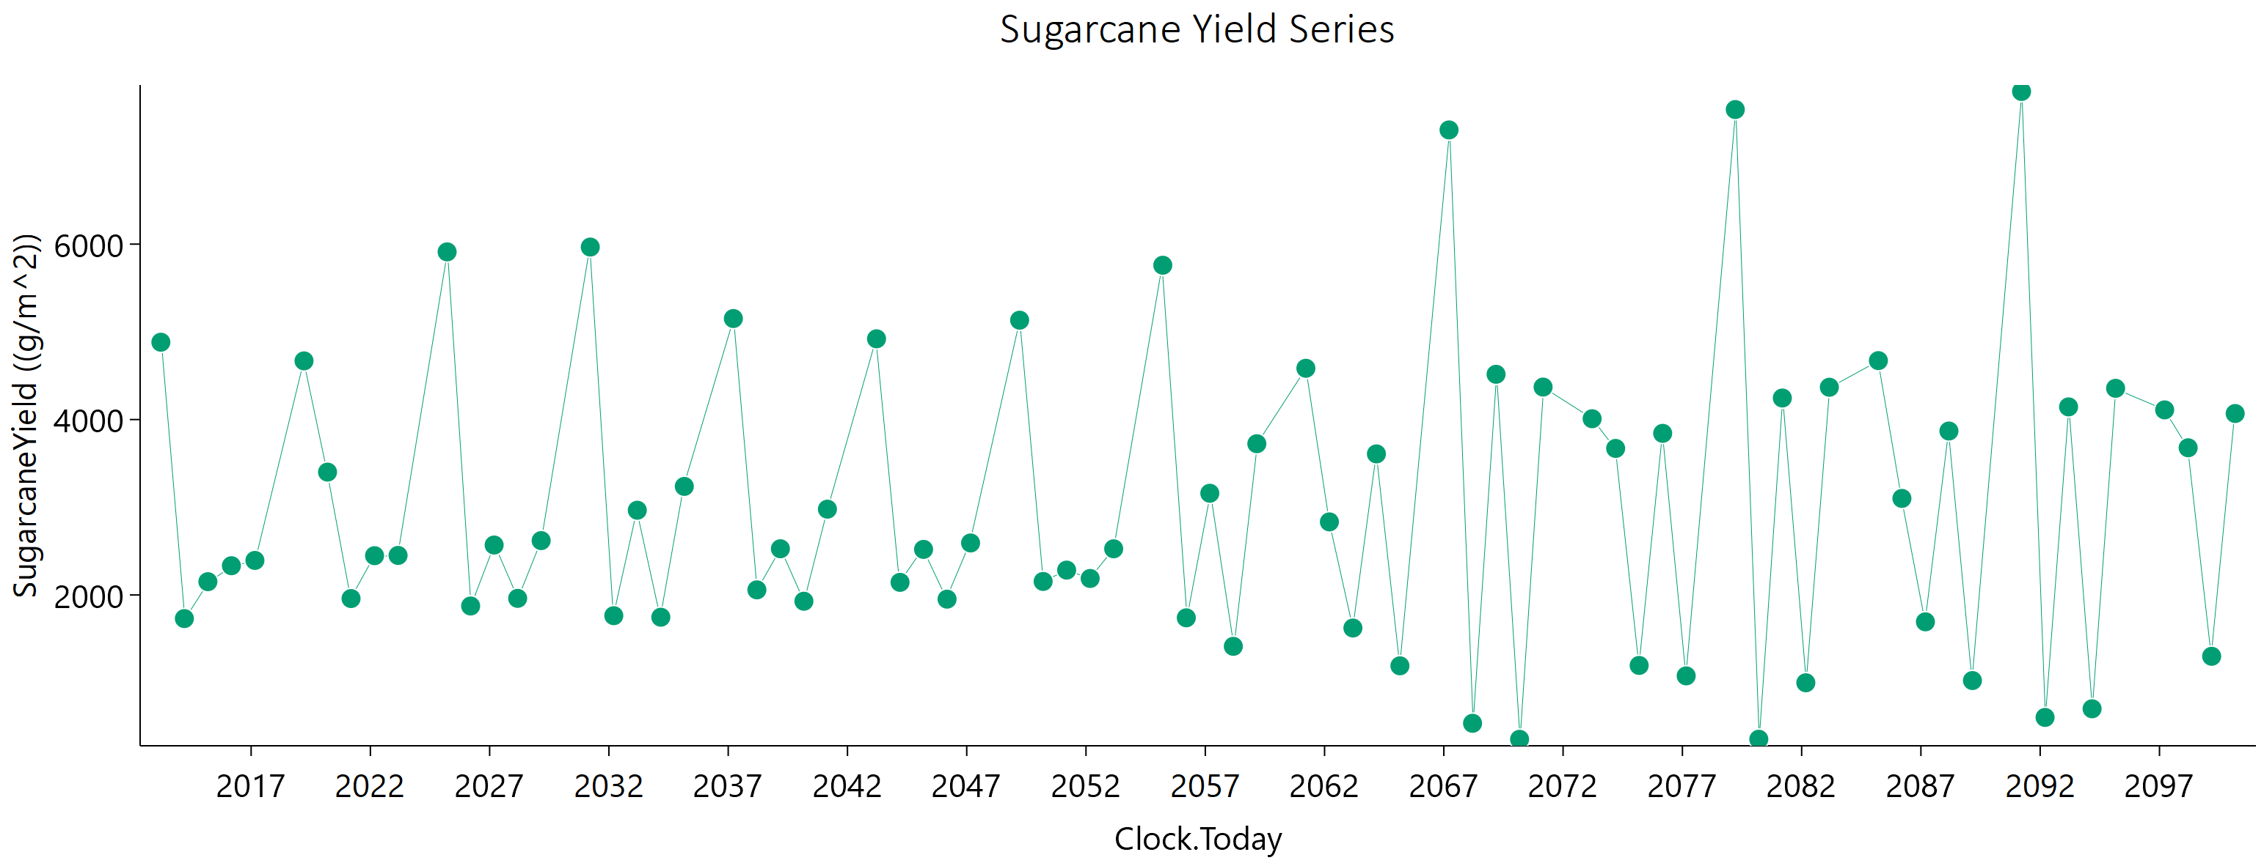
Current | 1 | Sugarcane | 1 | Field | 2016-03-05 | 2333.46 | 1193.48 | 3409.0048057 | 0 | water demand | 0 | mm
Current | 1 | Sugarcane | 1 | Field | 2017-02-28 | 2393.7 | 1228.9 | 3486.1327515 | 0
Current | 1 | Sugarcane | 1 | Field | 2019-03-22 | 4668.78 | 2635.49 | 6000 | 0
Current | 1 | Sugarcane | 1 | Field | 2020-03-16 | 3400.66 | 1731.1 | 4994.4300231 | 0
Current | 1 | Sugarcane | 1 | Field | 2021-03-11 | 1958.91 | 959.97 | 2981.1008948 | 0
Current | 1 | Sugarcane | 1 | Field | 2022-03-06 | 2447.74 | 1270.11 | 3518.6138461 | 0
Current | 1 | Sugarcane | 1 | Field | 2023-03-01 | 2450.65 | 1269.56 | 3525.5415586 | 0
Current | 1 | Sugarcane | 1 | Field | 2025-03-21 | 5911.56 | 3695.58 | 6000 | 0
Current | 1 | Sugarcane | 1 | Field | 2026-03-16 | 1874.27 | 1006.5 | 2596.8556276 | 0
Current | 1 | Sugarcane | 1 | Field | 2027-03-11 | 2569.19 | 1351.74 | 3638.8185067 | 0
Current | 1 | Sugarcane | 1 | Field | 2028-03-05 | 1961.06 | 1009 | 2846.440526 | 0
Current | 1 | Sugarcane | 1 | Field | 2029-02-28 | 2619.71 | 1367.91 | 3736.025515 | 0
Current | 1 | Sugarcane | 1 | Field | 2031-03-22 | 5966.41 | 3665.61 | 6000 | 0
Current | 1 | Sugarcane | 1 | Field | 2032-03-16 | 1763.68 | 907.24 | 2562.2489654 | 0
Current | 1 | Sugarcane | 1 | Field | 2033-03-11 | 2965.96 | 1586.56 | 4124.4573038 | 0
Current | 1 | Sugarcane | 1 | Field | 2034-03-06 | 1746.32 | 889.56 | 2562.0054013 | 0
Current | 1 | Sugarcane | 1 | Field | 2035-03-01 | 3237.66 | 1794.83 | 4312.4442133 | 0
Current | 1 | Sugarcane | 1 | Field | 2037-03-21 | 5151.62 | 3302.16 | 5548.1182117 | 0
Current | 1 | Sugarcane | 1 | Field | 2038-03-16 | 2058.04 | 1063.17 | 2975.1321526 | 0
Current | 1 | Sugarcane | 1 | Field | 2039-03-11 | 2526.64 | 1374.3 | 3454.2214557 | 0
Current | 1 | Sugarcane | 1 | Field | 2040-03-05 | 1928.54 | 997.03 | 2787.9508393 | 0
Current | 1 | Sugarcane | 1 | Field | 2041-02-28 | 2978.18 | 1631.96 | 4024.9867086 | 0
Current | 1 | Sugarcane | 1 | Field | 2043-03-22 | 4920.48 | 3241.71 | 5036.0986912 | 0
Current | 1 | Sugarcane | 1 | Field | 2044-03-16 | 2143.57 | 1149.76 | 2978.5386428 | 0
Current | 1 | Sugarcane | 1 | Field | 2045-03-11 | 2519.63 | 1381.76 | 3410.1583362 | 0
Current | 1 | Sugarcane | 1 | Field | 2046-03-06 | 1952.14 | 966.83 | 2936.4761105 | 0
Current | 1 | Sugarcane | 1 | Field | 2047-03-01 | 2592.7 | 1365.52 | 3665.7789736 | 0
Current | 1 | Sugarcane | 1 | Field | 2049-03-21 | 5132.78 | 3082.49 | 6000 | 0
Current | 1 | Sugarcane | 1 | Field | 2050-03-16 | 2154.11 | 1141.06 | 3034.287006 | 0
Current | 1 | Sugarcane | 1 | Field | 2051-03-11 | 2283.25 | 1196.24 | 3250.9594229 | 0
Current | 1 | Sugarcane | 1 | Field | 2052-03-05 | 2187.97 | 1187.36 | 2999.3966077 | 0
Current | 1 | Sugarcane | 1 | Field | 2053-02-28 | 2526.33 | 1317.13 | 3608.3863852 | 0
Current | 1 | Sugarcane | 1 | Field | 2055-03-22 | 5759.43 | 3530.03 | 6000 | 0
Current | 1 | Sugarcane | 1 | Field | 2056-03-16 | 1739.49 | 904.22 | 2502.8302988 | 0
Current | 1 | Sugarcane | 1 | Field | 2057-03-11 | 3159.6 | 1723.6 | 4300.8129436 | 0
Current | 1 | Sugarcane | 1 | Field | 2058-03-06 | 1414.24 | 676.5 | 2196.0043219 | 0
Current | 1 | Sugarcane | 1 | Field | 2059-03-01 | 3724.39 | 2086.78 | 4902.0575719 | 0
Current | 1 | Sugarcane | 1 | Field | 2061-03-21 | 4584.46 | 2900.26 | 5052.5125337 | 0
Current | 1 | Sugarcane | 1 | Field | 2062-03-16 | 2833.03 | 1511.78 | 3960.1576942 | 0
Current | 1 | Sugarcane | 1 | Field | 2063-03-11 | 1623.03 | 808.77 | 2434.0085957 | 0
Current | 1 | Sugarcane | 1 | Field | 2064-03-05 | 3608.28 | 2040.41 | 4694.9058714 | 0
Current | 1 | Sugarcane | 1 | Field | 2065-02-28 | 1192.1 | 523.1 | 1991.8695048 | 0
Current | 1 | Sugarcane | 1 | Field | 2067-03-22 | 7301.94 | 4029.99 | 6000 | 0
Current | 1 | Sugarcane | 1 | Field | 2068-03-16 | 536.7 | 161.57 | 1122.254152 | 0
Current | 1 | Sugarcane | 1 | Field | 2069-03-11 | 4515.91 | 2070.12 | 6000 | 0
Current | 1 | Sugarcane | 1 | Field | 2070-03-06 | 354.21 | 90.76 | 781.11446803 | 0
Current | 1 | Sugarcane | 1 | Field | 2071-03-01 | 4370.15 | 2042.96 | 6000 | 0
Current | 1 | Sugarcane | 1 | Field | 2073-03-21 | 4009.17 | 2435.87 | 4719.7152927 | 0
Current | 1 | Sugarcane | 1 | Field | 2074-03-16 | 3670.67 | 2038.67 | 4886.7277268 | 0
Current | 1 | Sugarcane | 1 | Field | 2075-03-11 | 1196.44 | 549.93 | 1936.3901481 | 0
Current | 1 | Sugarcane | 1 | Field | 2076-03-05 | 3842.56 | 2040.43 | 5394.5385475 | 0
Current | 1 | Sugarcane | 1 | Field | 2077-02-28 | 1077.39 | 473.34 | 1794.8826675 | 0
Current | 1 | Sugarcane | 1 | Field | 2079-03-22 | 7534.38 | 3967.91 | 6000 | 0
Current | 1 | Sugarcane | 1 | Field | 2080-03-16 | 355.05 | 67.69 | 853.50406259 | 0
Current | 1 | Sugarcane | 1 | Field | 2081-03-11 | 4245.35 | 1934.46 | 6000 | 0
Current | 1 | Sugarcane | 1 | Field | 2082-03-06 | 998.73 | 405.13 | 1769.5657879 | 0
Current | 1 | Sugarcane | 1 | Field | 2083-03-01 | 4368.05 | 2308.47 | 6000 | 0
Current | 1 | Sugarcane | 1 | Field | 2085-03-21 | 4671.63 | 2887.76 | 5351.3769705 | 0
Current | 1 | Sugarcane | 1 | Field | 2086-03-16 | 3100.69 | 1709.73 | 4168.3321159 | 0
Current | 1 | Sugarcane | 1 | Field | 2087-03-11 | 1693.72 | 868.45 | 2473.513658 | 0
Current | 1 | Sugarcane | 1 | Field | 2088-03-05 | 3869.03 | 2255.45 | 4830.8203617 | 0
Current | 1 | Sugarcane | 1 | Field | 2089-02-28 | 1024.03 | 418.93 | 1798.4918908 | 0
Current | 1 | Sugarcane | 1 | Field | 2091-03-22 | 7740.55 | 4017.86 | 6000 | 0
Current | 1 | Sugarcane | 1 | Field | 2092-03-16 | 603.62 | 205.7 | 1190.6109374 | 0
Current | 1 | Sugarcane | 1 | Field | 2093-03-11 | 4144.22 | 1770.17 | 6000 | 0
Current | 1 | Sugarcane | 1 | Field | 2094-03-06 | 702.18 | 242.25 | 1372.8830361 | 0
Current | 1 | Sugarcane | 1 | Field | 2095-03-01 | 4355.97 | 2021.65 | 6000 | 0
Current | 1 | Sugarcane | 1 | Field | 2097-03-21 | 4110.09 | 2449.54 | 4981.4601623 | 0
Current | 1 | Sugarcane | 1 | Field | 2098-03-16 | 3677.99 | 2030.77 | 4938.170652 | 0
Current | 1 | Sugarcane | 1 | Field | 2099-03-11 | 1300.73 | 634.8 | 1993.8763976 | 0
Current | 1 | Sugarcane | 1 | Field | 2100-03-06 | 4068.59 | 2188.87 | 5635.0785329 | 0

May
CheckpointName | CheckpointID | SimulationName | SimulationID | Zone | Clock.Today | SugarcaneYield | Sugarcane.sucrose_wt | Sugarcane.height | Sugarcane.WaterDemand
Current | 1 | Sugarcane | 1 | Field | 2013-04-20 | 4836.28 | 2817.69 | 6000 | 0 | yield = stem | 216955.61 | g/m^2
Current | 1 | Sugarcane | 1 | Field | 2014-04-15 | 1663.83 | 766.88 | 2682.7148648 | 0 | sucrose weight | 121260.52 | g/m^2
Current | 1 | Sugarcane | 1 | Field | 2015-04-10 | 2029.39 | 1014.54 | 3036.023434 | 0 | height | 272496.40025 | mm
Current | 1 | Sugarcane | 1 | Field | 2016-04-04 | 2217.16 | 1107.45 | 3325.1551167 | 0 | water demand | 0 | mm
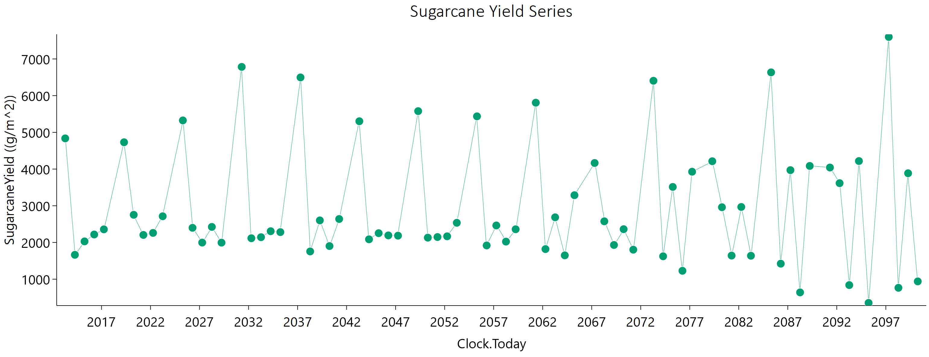
Current | 1 | Sugarcane | 1 | Field | 2017-03-30 | 2357.71 | 1161.62 | 3575.956442 | 0
Current | 1 | Sugarcane | 1 | Field | 2019-04-21 | 4730.46 | 2678.04 | 6000 | 0
Current | 1 | Sugarcane | 1 | Field | 2020-04-15 | 2754.03 | 1339.41 | 4218.2084011 | 0
Current | 1 | Sugarcane | 1 | Field | 2021-04-10 | 2205.84 | 1075.01 | 3384.270453 | 0
Current | 1 | Sugarcane | 1 | Field | 2022-04-05 | 2260.76 | 1103.46 | 3441.311779 | 0
Current | 1 | Sugarcane | 1 | Field | 2023-03-31 | 2714.25 | 1480.12 | 3699.3703197 | 0
Current | 1 | Sugarcane | 1 | Field | 2025-04-20 | 5325.82 | 3461.75 | 5592.2155041 | 0
Current | 1 | Sugarcane | 1 | Field | 2026-04-15 | 2399.69 | 1361.64 | 3110.6014913 | 0
Current | 1 | Sugarcane | 1 | Field | 2027-04-10 | 1997.14 | 1061.98 | 2802.6317365 | 0
Current | 1 | Sugarcane | 1 | Field | 2028-04-04 | 2424.17 | 1353.26 | 3209.0026871 | 0
Current | 1 | Sugarcane | 1 | Field | 2029-03-30 | 1995.66 | 1077.71 | 2750.7321975 | 0
Current | 1 | Sugarcane | 1 | Field | 2031-04-21 | 6783.86 | 4249.78 | 6000 | 0
Current | 1 | Sugarcane | 1 | Field | 2032-04-15 | 2115.64 | 1171.26 | 2830.3050239 | 0
Current | 1 | Sugarcane | 1 | Field | 2033-04-10 | 2144.11 | 1166.83 | 2928.3623111 | 0
Current | 1 | Sugarcane | 1 | Field | 2034-04-05 | 2307.27 | 1278.08 | 3083.8499386 | 0
Current | 1 | Sugarcane | 1 | Field | 2035-03-31 | 2282.31 | 1257.33 | 3071.7673623 | 0
Current | 1 | Sugarcane | 1 | Field | 2037-04-20 | 6496.88 | 4049.79 | 6000 | 0
Current | 1 | Sugarcane | 1 | Field | 2038-04-15 | 1755.98 | 892.39 | 2587.5916333 | 0
Current | 1 | Sugarcane | 1 | Field | 2039-04-10 | 2602.19 | 1428.24 | 3517.815804 | 0
Current | 1 | Sugarcane | 1 | Field | 2040-04-04 | 1902.86 | 1047.61 | 2562.4691377 | 0
Current | 1 | Sugarcane | 1 | Field | 2041-03-30 | 2639.59 | 1361.14 | 3827.9608159 | 0
Current | 1 | Sugarcane | 1 | Field | 2043-04-21 | 5303.02 | 3503.9 | 5397.3374616 | 0
Current | 1 | Sugarcane | 1 | Field | 2044-04-15 | 2086.29 | 1164.74 | 2761.4351222 | 0
Current | 1 | Sugarcane | 1 | Field | 2045-04-10 | 2253.37 | 1240.09 | 3035.9924867 | 0
Current | 1 | Sugarcane | 1 | Field | 2046-04-05 | 2192.77 | 1180.11 | 3034.5228035 | 0
Current | 1 | Sugarcane | 1 | Field | 2047-03-31 | 2185.77 | 1163.44 | 3060.8572961 | 0
Current | 1 | Sugarcane | 1 | Field | 2049-04-20 | 5578.57 | 3296.3 | 6000 | 0
Current | 1 | Sugarcane | 1 | Field | 2050-04-15 | 2131.54 | 1189.27 | 2823.0259714 | 0
Current | 1 | Sugarcane | 1 | Field | 2051-04-10 | 2148.54 | 1181.95 | 2896.0874404 | 0
Current | 1 | Sugarcane | 1 | Field | 2052-04-04 | 2167.89 | 1192.51 | 2922.1829747 | 0
Current | 1 | Sugarcane | 1 | Field | 2053-03-30 | 2536.23 | 1383.39 | 3454.8269914 | 0
Current | 1 | Sugarcane | 1 | Field | 2055-04-21 | 5436.31 | 3365.85 | 6000 | 0
Current | 1 | Sugarcane | 1 | Field | 2056-04-15 | 1919.08 | 1056.56 | 2584.1272537 | 0
Current | 1 | Sugarcane | 1 | Field | 2057-04-10 | 2463.91 | 1300.58 | 3485.9781865 | 0
Current | 1 | Sugarcane | 1 | Field | 2058-04-05 | 2023.58 | 1101.39 | 2763.3219448 | 0
Current | 1 | Sugarcane | 1 | Field | 2059-03-31 | 2359.94 | 1279.77 | 3237.4875521 | 0
Current | 1 | Sugarcane | 1 | Field | 2061-04-20 | 5808.53 | 3471.89 | 6000 | 0
Current | 1 | Sugarcane | 1 | Field | 2062-04-15 | 1819.95 | 957.83 | 2583.1377218 | 0
Current | 1 | Sugarcane | 1 | Field | 2063-04-10 | 2685.68 | 1413.73 | 3811.9632492 | 0
Current | 1 | Sugarcane | 1 | Field | 2064-04-04 | 1649.16 | 895.71 | 2257.4468595 | 0
Current | 1 | Sugarcane | 1 | Field | 2065-03-30 | 3288.14 | 1845 | 4324.8900565 | 0
Current | 1 | Sugarcane | 1 | Field | 2067-04-21 | 4165.82 | 2684.68 | 4443.44037 | 0
Current | 1 | Sugarcane | 1 | Field | 2068-04-15 | 2576.54 | 1363.96 | 3633.7827217 | 0
Current | 1 | Sugarcane | 1 | Field | 2069-04-10 | 1931.93 | 1070.89 | 2579.6369762 | 0
Current | 1 | Sugarcane | 1 | Field | 2070-04-05 | 2362.07 | 1320.41 | 3121.5910387 | 0
Current | 1 | Sugarcane | 1 | Field | 2071-03-31 | 1804.03 | 981.23 | 2465.2735549 | 0
Current | 1 | Sugarcane | 1 | Field | 2073-04-20 | 6405.92 | 3879.78 | 6000 | 0
Current | 1 | Sugarcane | 1 | Field | 2074-04-15 | 1623.78 | 682.32 | 2821.5474663 | 0
Current | 1 | Sugarcane | 1 | Field | 2075-04-10 | 3513.41 | 2007.04 | 4514.1834666 | 0
Current | 1 | Sugarcane | 1 | Field | 2076-04-04 | 1228.37 | 614.67 | 1838.4074408 | 0
Current | 1 | Sugarcane | 1 | Field | 2077-03-30 | 3927.77 | 2162.92 | 5289.4077071 | 0
Current | 1 | Sugarcane | 1 | Field | 2079-04-21 | 4213.35 | 2817.04 | 4188.9154027 | 0
Current | 1 | Sugarcane | 1 | Field | 2080-04-15 | 2960.2 | 1589.94 | 4107.2268578 | 0
Current | 1 | Sugarcane | 1 | Field | 2081-04-10 | 1643 | 912.81 | 2187.6650282 | 0
Current | 1 | Sugarcane | 1 | Field | 2082-04-05 | 2967.37 | 1553.97 | 4235.0968702 | 0
Current | 1 | Sugarcane | 1 | Field | 2083-03-31 | 1638.35 | 912.92 | 2174.121777 | 0
Current | 1 | Sugarcane | 1 | Field | 2085-04-20 | 6634.82 | 4105.68 | 6000 | 0
Current | 1 | Sugarcane | 1 | Field | 2086-04-15 | 1422.49 | 567.3 | 2562.7264483 | 0
Current | 1 | Sugarcane | 1 | Field | 2087-04-10 | 3970.81 | 2222.99 | 5238.2593949 | 0
Current | 1 | Sugarcane | 1 | Field | 2088-04-04 | 640.16 | 236.49 | 1206.547207 | 0
Current | 1 | Sugarcane | 1 | Field | 2089-03-30 | 4085.15 | 2004.77 | 6000 | 0
Current | 1 | Sugarcane | 1 | Field | 2091-04-21 | 4041.91 | 2684.04 | 4073.6063161 | 0
Current | 1 | Sugarcane | 1 | Field | 2092-04-15 | 3615.82 | 2042.54 | 4714.422236 | 0
Current | 1 | Sugarcane | 1 | Field | 2093-04-10 | 839.21 | 290.65 | 1642.8234396 | 0
Current | 1 | Sugarcane | 1 | Field | 2094-04-05 | 4218.67 | 2187.36 | 6000 | 0
Current | 1 | Sugarcane | 1 | Field | 2095-03-31 | 353.53 | 152.31 | 601.58795507 | 0
Current | 1 | Sugarcane | 1 | Field | 2097-04-21 | 7599.48 | 3853.07 | 6000 | 0
Current | 1 | Sugarcane | 1 | Field | 2098-04-16 | 764.95 | 236.35 | 1584.3375241 | 0
Current | 1 | Sugarcane | 1 | Field | 2099-04-11 | 3885.75 | 1769.02 | 6000 | 0
Current | 1 | Sugarcane | 1 | Field | 2100-04-06 | 939.8 | 406.35 | 1598.8552209 | 0

June
CheckpointName | CheckpointID | SimulationName | SimulationID | Zone | Clock.Today | SugarcaneYield | Sugarcane.sucrose_wt | Sugarcane.height | Sugarcane.WaterDemand
Current | 1 | Sugarcane | 1 | Field | 2013-05-21 | 5334.86 | 3037.77 | 6000 | 0 | yield = stem | 226326.81 | g/m^2
Current | 1 | Sugarcane | 1 | Field | 2014-05-16 | 1424.65 | 635.42 | 2365.2313996 | 0 | sucrose weight | 128843.21 | g/m^2
Current | 1 | Sugarcane | 1 | Field | 2015-05-11 | 2001.62 | 980.44 | 3060.0066863 | 0 | height | 266898.68851 | mm
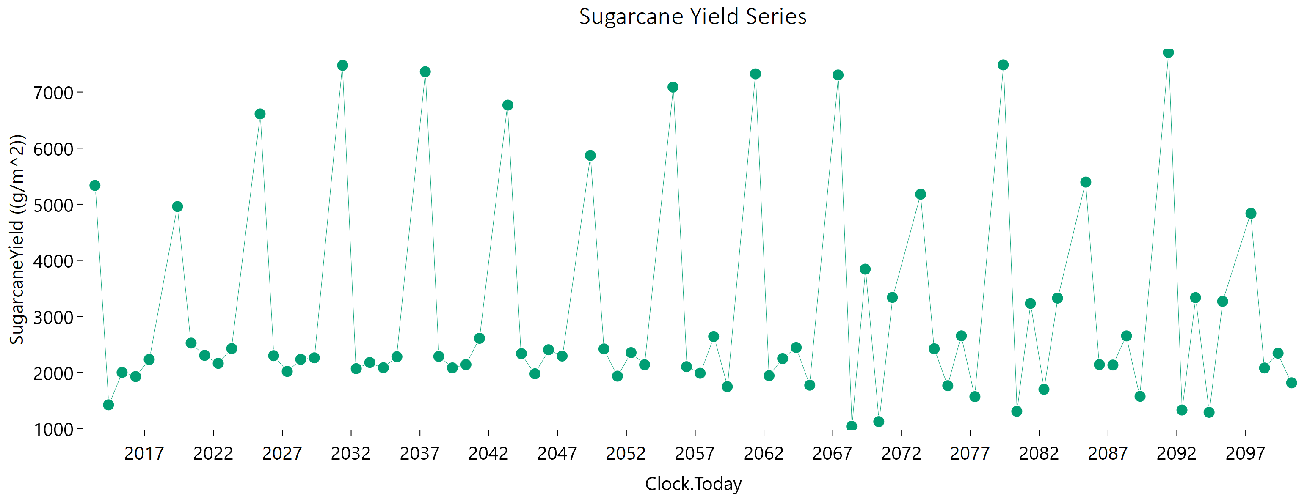
Current | 1 | Sugarcane | 1 | Field | 2016-05-05 | 1928.37 | 911.22 | 3048.4746581 | 0 | water demand | 0 | mm
Current | 1 | Sugarcane | 1 | Field | 2017-04-30 | 2233.32 | 1041.08 | 3567.9699053 | 0
Current | 1 | Sugarcane | 1 | Field | 2019-05-22 | 4958.66 | 2903.65 | 6000 | 0
Current | 1 | Sugarcane | 1 | Field | 2020-05-16 | 2525.42 | 1214.42 | 3929.7749563 | 0
Current | 1 | Sugarcane | 1 | Field | 2021-05-11 | 2306.35 | 1135.08 | 3509.192903 | 0
Current | 1 | Sugarcane | 1 | Field | 2022-05-06 | 2163.68 | 1058.14 | 3305.3647136 | 0
Current | 1 | Sugarcane | 1 | Field | 2023-05-01 | 2427.02 | 1304.5 | 3363.6983645 | 0
Current | 1 | Sugarcane | 1 | Field | 2025-05-21 | 6609.47 | 4315.48 | 6000 | 0
Current | 1 | Sugarcane | 1 | Field | 2026-05-16 | 2300 | 1341.85 | 2867.0037974 | 0
Current | 1 | Sugarcane | 1 | Field | 2027-05-11 | 2020.32 | 1023.51 | 2985.4032617 | 0
Current | 1 | Sugarcane | 1 | Field | 2028-05-05 | 2235.49 | 1263.56 | 2913.1259315 | 0
Current | 1 | Sugarcane | 1 | Field | 2029-04-30 | 2262.41 | 1264.27 | 2990.8487968 | 0
Current | 1 | Sugarcane | 1 | Field | 2031-05-22 | 7475.41 | 4771.25 | 6000 | 0
Current | 1 | Sugarcane | 1 | Field | 2032-05-16 | 2069.26 | 1135.24 | 2799.2945921 | 0
Current | 1 | Sugarcane | 1 | Field | 2033-05-11 | 2179.25 | 1206.71 | 2914.7334261 | 0
Current | 1 | Sugarcane | 1 | Field | 2034-05-06 | 2085.33 | 1174.77 | 2729.3828037 | 0
Current | 1 | Sugarcane | 1 | Field | 2035-05-01 | 2281.86 | 1264.01 | 3049.9956175 | 0
Current | 1 | Sugarcane | 1 | Field | 2037-05-22 | 7362.11 | 4692.39 | 6000 | 0
Current | 1 | Sugarcane | 1 | Field | 2038-05-17 | 2287.24 | 1299.2 | 2956.031545 | 0
Current | 1 | Sugarcane | 1 | Field | 2039-05-12 | 2083.34 | 1180.5 | 2703.2673457 | 0
Current | 1 | Sugarcane | 1 | Field | 2040-05-06 | 2141.75 | 1186.59 | 2862.7688886 | 0
Current | 1 | Sugarcane | 1 | Field | 2041-05-01 | 2609.88 | 1447.63 | 3483.0343782 | 0
Current | 1 | Sugarcane | 1 | Field | 2043-05-23 | 6766.72 | 4504.24 | 6000 | 0
Current | 1 | Sugarcane | 1 | Field | 2044-05-17 | 2335.91 | 1402.18 | 2795.314099 | 0
Current | 1 | Sugarcane | 1 | Field | 2045-05-12 | 1978.52 | 1087.73 | 2668.880517 | 0
Current | 1 | Sugarcane | 1 | Field | 2046-05-07 | 2405.94 | 1346.69 | 3174.2259936 | 0
Current | 1 | Sugarcane | 1 | Field | 2047-05-02 | 2294.05 | 1258.9 | 3102.0308317 | 0
Current | 1 | Sugarcane | 1 | Field | 2049-05-21 | 5869.86 | 3621.84 | 6000 | 0
Current | 1 | Sugarcane | 1 | Field | 2050-05-16 | 2420.76 | 1411 | 3025.4814053 | 0
Current | 1 | Sugarcane | 1 | Field | 2051-05-11 | 1936.09 | 1069.77 | 2596.2125958 | 0
Current | 1 | Sugarcane | 1 | Field | 2052-05-05 | 2354.74 | 1285.44 | 3204.9402865 | 0
Current | 1 | Sugarcane | 1 | Field | 2053-04-30 | 2138.45 | 1160.42 | 2930.0501144 | 0
Current | 1 | Sugarcane | 1 | Field | 2055-05-23 | 7087.35 | 4394.67 | 6000 | 0
Current | 1 | Sugarcane | 1 | Field | 2056-05-17 | 2104.54 | 1209.62 | 2678.1084624 | 0
Current | 1 | Sugarcane | 1 | Field | 2057-05-12 | 1987.71 | 1104.93 | 2644.0535459 | 0
Current | 1 | Sugarcane | 1 | Field | 2058-05-07 | 2641.66 | 1487.81 | 3458.696347 | 0
Current | 1 | Sugarcane | 1 | Field | 2059-05-02 | 1748.94 | 963.57 | 2353.1567652 | 0
Current | 1 | Sugarcane | 1 | Field | 2061-05-21 | 7323.73 | 4328.68 | 6000 | 0
Current | 1 | Sugarcane | 1 | Field | 2062-05-16 | 1944.36 | 1099.93 | 2528.5115632 | 0
Current | 1 | Sugarcane | 1 | Field | 2063-05-11 | 2249.15 | 1257.81 | 2968.6340342 | 0
Current | 1 | Sugarcane | 1 | Field | 2064-05-05 | 2445.82 | 1400.31 | 3133.2213621 | 0
Current | 1 | Sugarcane | 1 | Field | 2065-04-30 | 1775.39 | 942.61 | 2495.3445758 | 0
Current | 1 | Sugarcane | 1 | Field | 2067-05-22 | 7303.97 | 3959.29 | 6000 | 0
Current | 1 | Sugarcane | 1 | Field | 2068-05-16 | 1041.54 | 524.41 | 1544.3589081 | 0
Current | 1 | Sugarcane | 1 | Field | 2069-05-11 | 3842.64 | 2097.96 | 5225.5724148 | 0
Current | 1 | Sugarcane | 1 | Field | 2070-05-06 | 1124.89 | 488.43 | 1898.4012169 | 0
Current | 1 | Sugarcane | 1 | Field | 2071-05-01 | 3339.29 | 1765.8 | 4716.3089004 | 0
Current | 1 | Sugarcane | 1 | Field | 2073-05-21 | 5178.74 | 3256.47 | 5766.7747605 | 0
Current | 1 | Sugarcane | 1 | Field | 2074-05-16 | 2423.84 | 1391.48 | 3092.821 | 0
Current | 1 | Sugarcane | 1 | Field | 2075-05-11 | 1765.28 | 966.28 | 2394.2764006 | 0
Current | 1 | Sugarcane | 1 | Field | 2076-05-05 | 2654.14 | 1398.53 | 3763.8493529 | 0
Current | 1 | Sugarcane | 1 | Field | 2077-04-30 | 1570.37 | 847.23 | 2166.3621988 | 0
Current | 1 | Sugarcane | 1 | Field | 2079-05-22 | 7483.86 | 4082.99 | 6000 | 0
Current | 1 | Sugarcane | 1 | Field | 2080-05-16 | 1309.15 | 547.16 | 2280.8600067 | 0
Current | 1 | Sugarcane | 1 | Field | 2081-05-11 | 3232.44 | 1754.72 | 4430.1366866 | 0
Current | 1 | Sugarcane | 1 | Field | 2082-05-06 | 1700.8 | 939.13 | 2282.7800552 | 0
Current | 1 | Sugarcane | 1 | Field | 2083-05-01 | 3326.19 | 1898.98 | 4276.9375288 | 0
Current | 1 | Sugarcane | 1 | Field | 2085-05-21 | 5394.64 | 3499.19 | 5686.3400095 | 0
Current | 1 | Sugarcane | 1 | Field | 2086-05-16 | 2141.42 | 1172.31 | 2905.119733 | 0
Current | 1 | Sugarcane | 1 | Field | 2087-05-11 | 2134.32 | 1130.2 | 3009.5271628 | 0
Current | 1 | Sugarcane | 1 | Field | 2088-05-05 | 2653.33 | 1530.07 | 3366.739289 | 0
Current | 1 | Sugarcane | 1 | Field | 2089-04-30 | 1576.03 | 885.96 | 2067.2361399 | 0
Current | 1 | Sugarcane | 1 | Field | 2091-05-22 | 7706.66 | 4237.79 | 6000 | 0
Current | 1 | Sugarcane | 1 | Field | 2092-05-16 | 1332.18 | 598.45 | 2193.7504766 | 0
Current | 1 | Sugarcane | 1 | Field | 2093-05-11 | 3335.54 | 1805.52 | 4584.2135742 | 0
Current | 1 | Sugarcane | 1 | Field | 2094-05-06 | 1291.16 | 638.17 | 1955.7563132 | 0
Current | 1 | Sugarcane | 1 | Field | 2095-05-01 | 3268.9 | 1699.9 | 4702.6654769 | 0
Current | 1 | Sugarcane | 1 | Field | 2097-05-21 | 4836.42 | 3081.27 | 5265.4338944 | 0
Current | 1 | Sugarcane | 1 | Field | 2098-05-16 | 2081.42 | 1129.25 | 2854.277111 | 0
Current | 1 | Sugarcane | 1 | Field | 2099-05-11 | 2344 | 1334.43 | 3023.6795232 | 0
Current | 1 | Sugarcane | 1 | Field | 2100-05-06 | 1816.89 | 1055.01 | 2283.0439097 | 0

July
CheckpointName | CheckpointID | SimulationName | SimulationID | Zone | Clock.Today | SugarcaneYield | Sugarcane.sucrose_wt | Sugarcane.height | Sugarcane.WaterDemand
Current | 1 | Sugarcane | 1 | Field | 2013-06-21 | 5562.99 | 3015.76 | 6000 | 0 | yield = stem | 238392.64 | g/m^2
Current | 1 | Sugarcane | 1 | Field | 2014-06-16 | 1633.94 | 741.23 | 2658.1979471 | 0 | sucrose weight | 137675.23 | g/m^2
Current | 1 | Sugarcane | 1 | Field | 2015-06-11 | 1935.85 | 968.74 | 2897.3931167 | 0 | height | 268063.70955 | mm
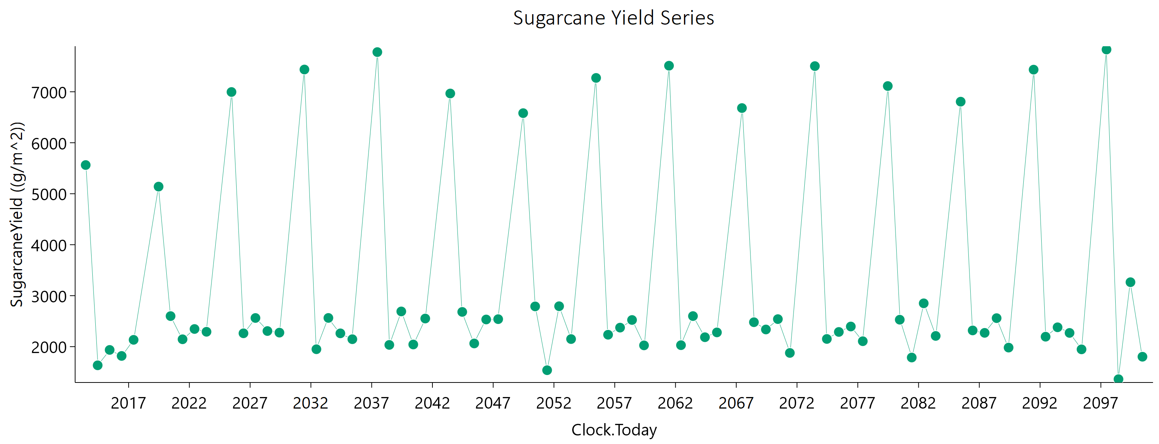
Current | 1 | Sugarcane | 1 | Field | 2016-06-05 | 1817.81 | 860.48 | 2868.3661893 | 0 | water demand | 0 | mm
Current | 1 | Sugarcane | 1 | Field | 2017-05-31 | 2133.65 | 1081.55 | 3134.4016202 | 0
Current | 1 | Sugarcane | 1 | Field | 2019-06-21 | 5139.75 | 2880.56 | 6000 | 0
Current | 1 | Sugarcane | 1 | Field | 2020-06-15 | 2599.26 | 1296.7 | 3884.8469161 | 0
Current | 1 | Sugarcane | 1 | Field | 2021-06-10 | 2144.63 | 1079.44 | 3173.1781766 | 0
Current | 1 | Sugarcane | 1 | Field | 2022-06-05 | 2346.3 | 1118.25 | 3658.8074731 | 0
Current | 1 | Sugarcane | 1 | Field | 2023-05-31 | 2291.65 | 1306.11 | 2953.7179672 | 0
Current | 1 | Sugarcane | 1 | Field | 2025-06-20 | 6995.72 | 4505.19 | 6000 | 0
Current | 1 | Sugarcane | 1 | Field | 2026-06-15 | 2261.91 | 1223.39 | 3101.3071236 | 0
Current | 1 | Sugarcane | 1 | Field | 2027-06-10 | 2562.39 | 1450.92 | 3312.1128907 | 0
Current | 1 | Sugarcane | 1 | Field | 2028-06-04 | 2306.36 | 1336.19 | 2889.9532044 | 0
Current | 1 | Sugarcane | 1 | Field | 2029-05-30 | 2275.1 | 1337.6 | 2806.5527544 | 0
Current | 1 | Sugarcane | 1 | Field | 2031-06-21 | 7436.82 | 4777.5 | 6000 | 0
Current | 1 | Sugarcane | 1 | Field | 2032-06-15 | 1949.34 | 1002.75 | 2823.118183 | 0
Current | 1 | Sugarcane | 1 | Field | 2033-06-10 | 2563.35 | 1443.61 | 3334.7654583 | 0
Current | 1 | Sugarcane | 1 | Field | 2034-06-05 | 2261 | 1351.19 | 2703.5193214 | 0
Current | 1 | Sugarcane | 1 | Field | 2035-05-31 | 2145.98 | 1208.77 | 2808.1784086 | 0
Current | 1 | Sugarcane | 1 | Field | 2037-06-20 | 7778.56 | 4978.91 | 6000 | 0
Current | 1 | Sugarcane | 1 | Field | 2038-06-15 | 2034.33 | 1035.33 | 2986.3759874 | 0
Current | 1 | Sugarcane | 1 | Field | 2039-06-10 | 2690.81 | 1573.96 | 3319.9908945 | 0
Current | 1 | Sugarcane | 1 | Field | 2040-06-04 | 2042.2 | 1155.31 | 2645.1680286 | 0
Current | 1 | Sugarcane | 1 | Field | 2041-05-30 | 2551.53 | 1487.04 | 3184.0083572 | 0
Current | 1 | Sugarcane | 1 | Field | 2043-06-21 | 6966.46 | 4598.16 | 6000 | 0
Current | 1 | Sugarcane | 1 | Field | 2044-06-15 | 2681.42 | 1573.62 | 3297.1029138 | 0
Current | 1 | Sugarcane | 1 | Field | 2045-06-10 | 2062.57 | 1087.93 | 2897.8765868 | 0
Current | 1 | Sugarcane | 1 | Field | 2046-06-05 | 2532.9 | 1489.18 | 3105.372851 | 0
Current | 1 | Sugarcane | 1 | Field | 2047-05-31 | 2539.38 | 1490.24 | 3131.6581129 | 0
Current | 1 | Sugarcane | 1 | Field | 2049-06-20 | 6580.85 | 4122.53 | 6000 | 0
Current | 1 | Sugarcane | 1 | Field | 2050-06-15 | 2789.72 | 1607.49 | 3527.4589092 | 0
Current | 1 | Sugarcane | 1 | Field | 2051-06-10 | 1537.96 | 762.51 | 2302.9440485 | 0
Current | 1 | Sugarcane | 1 | Field | 2052-06-04 | 2793.16 | 1502.71 | 3848.1669559 | 0
Current | 1 | Sugarcane | 1 | Field | 2053-05-30 | 2148.81 | 1216.6 | 2793.833239 | 0
Current | 1 | Sugarcane | 1 | Field | 2055-06-21 | 7271.92 | 4593.49 | 6000 | 0
Current | 1 | Sugarcane | 1 | Field | 2056-06-15 | 2233.83 | 1237.03 | 2971.9648524 | 0
Current | 1 | Sugarcane | 1 | Field | 2057-06-10 | 2373.22 | 1339.55 | 3075.0560293 | 0
Current | 1 | Sugarcane | 1 | Field | 2058-06-05 | 2523.21 | 1498.18 | 3053.3593952 | 0
Current | 1 | Sugarcane | 1 | Field | 2059-05-31 | 2025.16 | 1164.48 | 2576.5629448 | 0
Current | 1 | Sugarcane | 1 | Field | 2061-06-20 | 7511.52 | 4571.26 | 6000 | 0
Current | 1 | Sugarcane | 1 | Field | 2062-06-15 | 2028.92 | 1073.98 | 2843.2907232 | 0
Current | 1 | Sugarcane | 1 | Field | 2063-06-10 | 2599.8 | 1474.61 | 3341.7685496 | 0
Current | 1 | Sugarcane | 1 | Field | 2064-06-04 | 2185.17 | 1268.54 | 2720.8093306 | 0
Current | 1 | Sugarcane | 1 | Field | 2065-05-30 | 2279.48 | 1281.58 | 2974.1249595 | 0
Current | 1 | Sugarcane | 1 | Field | 2067-06-21 | 6680.74 | 4150.26 | 6000 | 0
Current | 1 | Sugarcane | 1 | Field | 2068-06-15 | 2479.23 | 1408.72 | 3182.928638 | 0
Current | 1 | Sugarcane | 1 | Field | 2069-06-10 | 2336.99 | 1320.16 | 3024.1886106 | 0
Current | 1 | Sugarcane | 1 | Field | 2070-06-05 | 2540.19 | 1534.6 | 2991.446081 | 0
Current | 1 | Sugarcane | 1 | Field | 2071-05-31 | 1876.73 | 1016.12 | 2575.1804942 | 0
Current | 1 | Sugarcane | 1 | Field | 2073-06-21 | 7503.76 | 4186.76 | 6000 | 0
Current | 1 | Sugarcane | 1 | Field | 2074-06-16 | 2151 | 1130.57 | 3043.2283032 | 0
Current | 1 | Sugarcane | 1 | Field | 2075-06-11 | 2288.58 | 1239.17 | 3114.3768904 | 0
Current | 1 | Sugarcane | 1 | Field | 2076-06-05 | 2395.2 | 1408.72 | 2935.6359052 | 0
Current | 1 | Sugarcane | 1 | Field | 2077-05-31 | 2106.63 | 1179.66 | 2766.4757676 | 0
Current | 1 | Sugarcane | 1 | Field | 2079-06-21 | 7112.81 | 4279.33 | 6000 | 0
Current | 1 | Sugarcane | 1 | Field | 2080-06-15 | 2528.43 | 1427.08 | 3284.8053465 | 0
Current | 1 | Sugarcane | 1 | Field | 2081-06-10 | 1786.67 | 895.89 | 2647.7872525 | 0
Current | 1 | Sugarcane | 1 | Field | 2082-06-05 | 2850.04 | 1536.87 | 3911.670172 | 0
Current | 1 | Sugarcane | 1 | Field | 2083-05-31 | 2210.46 | 1329.02 | 2639.0113954 | 0
Current | 1 | Sugarcane | 1 | Field | 2085-06-20 | 6806.06 | 4236.9 | 6000 | 0
Current | 1 | Sugarcane | 1 | Field | 2086-06-15 | 2318.34 | 1291.15 | 3056.5043768 | 0
Current | 1 | Sugarcane | 1 | Field | 2087-06-10 | 2270.64 | 1250.01 | 3029.3433221 | 0
Current | 1 | Sugarcane | 1 | Field | 2088-06-04 | 2559.33 | 1465.86 | 3248.2736454 | 0
Current | 1 | Sugarcane | 1 | Field | 2089-05-30 | 1981.41 | 1159.58 | 2462.0513978 | 0
Current | 1 | Sugarcane | 1 | Field | 2091-06-21 | 7434.32 | 4337.64 | 6000 | 0
Current | 1 | Sugarcane | 1 | Field | 2092-06-15 | 2195.23 | 1166.26 | 3066.1944729 | 0
Current | 1 | Sugarcane | 1 | Field | 2093-06-10 | 2379.66 | 1349.33 | 3058.0868363 | 0
Current | 1 | Sugarcane | 1 | Field | 2094-06-05 | 2269.43 | 1290.73 | 2910.1196703 | 0
Current | 1 | Sugarcane | 1 | Field | 2095-05-31 | 1946.99 | 1083.83 | 2579.1435221 | 0
Current | 1 | Sugarcane | 1 | Field | 2097-06-20 | 7828.89 | 4404.55 | 6000 | 0
Current | 1 | Sugarcane | 1 | Field | 2098-06-15 | 1361.63 | 627.98 | 2176.9919074 | 0
Current | 1 | Sugarcane | 1 | Field | 2099-06-10 | 3264.29 | 1760.12 | 4477.8504833 | 0
Current | 1 | Sugarcane | 1 | Field | 2100-06-05 | 1802.27 | 1038.21 | 2277.1046346 | 0

August
CheckpointName | CheckpointID | SimulationName | SimulationID | Zone | Clock.Today | SugarcaneYield | Sugarcane.sucrose_wt | Sugarcane.height | Sugarcane.WaterDemand
Current | 1 | Sugarcane | 1 | Field | 2013-07-22 | 5392.22 | 2787.08 | 6000 | 0 | yield = stem | 257489 | g/m^2
Current | 1 | Sugarcane | 1 | Field | 2014-07-17 | 1876.42 | 791.99 | 3237.0463607 | 0 | sucrose weight | 143928.26 | g/m^2
Current | 1 | Sugarcane | 1 | Field | 2015-07-12 | 1934.6 | 935.32 | 2981.3948202 | 0 | height | 311331.68433 | mm
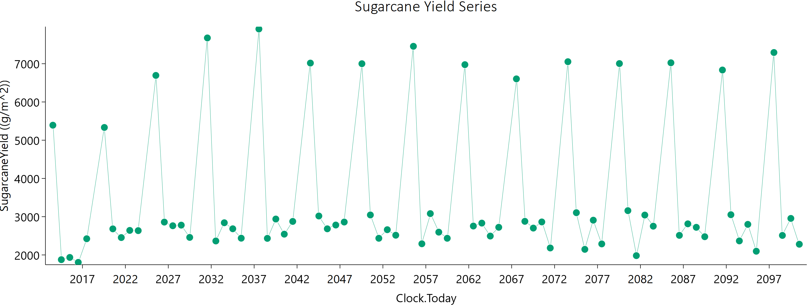
Current | 1 | Sugarcane | 1 | Field | 2016-07-06 | 1805.25 | 824.22 | 2932.2426666 | 0 | water demand | 0 | mm
Current | 1 | Sugarcane | 1 | Field | 2017-07-01 | 2423.42 | 1248.35 | 3510.3485502 | 0
Current | 1 | Sugarcane | 1 | Field | 2019-07-22 | 5333.14 | 2960.55 | 6000 | 0
Current | 1 | Sugarcane | 1 | Field | 2020-07-16 | 2681.77 | 1322.76 | 4072.8717926 | 0
Current | 1 | Sugarcane | 1 | Field | 2021-07-11 | 2454.18 | 1199.85 | 3744.8849499 | 0
Current | 1 | Sugarcane | 1 | Field | 2022-07-06 | 2641.28 | 1251.34 | 4150.0612139 | 0
Current | 1 | Sugarcane | 1 | Field | 2023-07-01 | 2635.3 | 1487.23 | 3422.0271118 | 0
Current | 1 | Sugarcane | 1 | Field | 2025-07-21 | 6694.21 | 4439.83 | 6000 | 0
Current | 1 | Sugarcane | 1 | Field | 2026-07-16 | 2858.6 | 1523.01 | 3991.2653025 | 0
Current | 1 | Sugarcane | 1 | Field | 2027-07-11 | 2763.01 | 1473.65 | 3850.3857293 | 0
Current | 1 | Sugarcane | 1 | Field | 2028-07-05 | 2778.95 | 1506.45 | 3791.1270826 | 0
Current | 1 | Sugarcane | 1 | Field | 2029-06-30 | 2458.49 | 1289.82 | 3479.9417319 | 0
Current | 1 | Sugarcane | 1 | Field | 2031-07-22 | 7674.23 | 4970.41 | 6000 | 0
Current | 1 | Sugarcane | 1 | Field | 2032-07-16 | 2365.16 | 1258.34 | 3302.9463153 | 0
Current | 1 | Sugarcane | 1 | Field | 2033-07-11 | 2841.19 | 1438.62 | 4180.5751007 | 0
Current | 1 | Sugarcane | 1 | Field | 2034-07-06 | 2683.99 | 1455.17 | 3662.9347867 | 0
Current | 1 | Sugarcane | 1 | Field | 2035-07-01 | 2437.59 | 1336.23 | 3283.4923689 | 0
Current | 1 | Sugarcane | 1 | Field | 2037-07-22 | 7907.83 | 5137.91 | 6000 | 0
Current | 1 | Sugarcane | 1 | Field | 2038-07-17 | 2433.28 | 1294.76 | 3404.2073598 | 0
Current | 1 | Sugarcane | 1 | Field | 2039-07-12 | 2938.82 | 1537.49 | 4183.0938883 | 0
Current | 1 | Sugarcane | 1 | Field | 2040-07-06 | 2543.16 | 1303.39 | 3695.9314202 | 0
Current | 1 | Sugarcane | 1 | Field | 2041-07-01 | 2876.11 | 1559.46 | 3920.0036745 | 0
Current | 1 | Sugarcane | 1 | Field | 2043-07-22 | 7016.66 | 4689.91 | 6000 | 0
Current | 1 | Sugarcane | 1 | Field | 2044-07-16 | 3018.25 | 1609.48 | 4206.5237151 | 0
Current | 1 | Sugarcane | 1 | Field | 2045-07-11 | 2683.04 | 1429.38 | 3741.9509503 | 0
Current | 1 | Sugarcane | 1 | Field | 2046-07-06 | 2781.81 | 1486.71 | 3859.2528639 | 0
Current | 1 | Sugarcane | 1 | Field | 2047-07-01 | 2859.9 | 1557.88 | 3879.0087054 | 0
Current | 1 | Sugarcane | 1 | Field | 2049-07-22 | 7000.23 | 4502.45 | 6000 | 0
Current | 1 | Sugarcane | 1 | Field | 2050-07-17 | 3045.45 | 1564.14 | 4422.8361733 | 0
Current | 1 | Sugarcane | 1 | Field | 2051-07-12 | 2435.52 | 1200.05 | 3684.9595513 | 0
Current | 1 | Sugarcane | 1 | Field | 2052-07-06 | 2659.71 | 1347.41 | 3913.964652 | 0
Current | 1 | Sugarcane | 1 | Field | 2053-07-01 | 2515.45 | 1302.68 | 3610.881911 | 0
Current | 1 | Sugarcane | 1 | Field | 2055-07-22 | 7455.17 | 4771.71 | 6000 | 0
Current | 1 | Sugarcane | 1 | Field | 2056-07-16 | 2291.63 | 1124.41 | 3482.494927 | 0
Current | 1 | Sugarcane | 1 | Field | 2057-07-11 | 3080.67 | 1637.38 | 4302.0851142 | 0
Current | 1 | Sugarcane | 1 | Field | 2058-07-06 | 2595.64 | 1471.74 | 3348.4271077 | 0
Current | 1 | Sugarcane | 1 | Field | 2059-07-01 | 2435.72 | 1253.83 | 3515.0042518 | 0
Current | 1 | Sugarcane | 1 | Field | 2061-07-21 | 6975.26 | 4372.65 | 6000 | 0
Current | 1 | Sugarcane | 1 | Field | 2062-07-16 | 2755.46 | 1374.35 | 4123.4106898 | 0
Current | 1 | Sugarcane | 1 | Field | 2063-07-11 | 2832.12 | 1497.55 | 3979.8690435 | 0
Current | 1 | Sugarcane | 1 | Field | 2064-07-05 | 2493.47 | 1268.6 | 3648.672834 | 0
Current | 1 | Sugarcane | 1 | Field | 2065-06-30 | 2722.9 | 1395.89 | 3954.5290987 | 0
Current | 1 | Sugarcane | 1 | Field | 2067-07-22 | 6603.55 | 4165.47 | 6000 | 0
Current | 1 | Sugarcane | 1 | Field | 2068-07-16 | 2878.5 | 1426.75 | 4330.2245711 | 0
Current | 1 | Sugarcane | 1 | Field | 2069-07-11 | 2701.96 | 1383.4 | 3930.5263992 | 0
Current | 1 | Sugarcane | 1 | Field | 2070-07-06 | 2862.82 | 1641.06 | 3645.2046815 | 0
Current | 1 | Sugarcane | 1 | Field | 2071-07-01 | 2181.98 | 1099.05 | 3223.9094173 | 0
Current | 1 | Sugarcane | 1 | Field | 2073-07-21 | 7052.65 | 4129.37 | 6000 | 0
Current | 1 | Sugarcane | 1 | Field | 2074-07-16 | 3104.63 | 1708.82 | 4172.8115852 | 0
Current | 1 | Sugarcane | 1 | Field | 2075-07-11 | 2146.2 | 1048.77 | 3271.0714268 | 0
Current | 1 | Sugarcane | 1 | Field | 2076-07-05 | 2908.43 | 1553.47 | 4036.620758 | 0
Current | 1 | Sugarcane | 1 | Field | 2077-06-30 | 2288.1 | 1138.48 | 3425.4593151 | 0
Current | 1 | Sugarcane | 1 | Field | 2079-07-22 | 7003.95 | 4210.92 | 6000 | 0
Current | 1 | Sugarcane | 1 | Field | 2080-07-16 | 3157.82 | 1785.85 | 4098.118654 | 0
Current | 1 | Sugarcane | 1 | Field | 2081-07-11 | 1981.6 | 967.83 | 3019.2867277 | 0
Current | 1 | Sugarcane | 1 | Field | 2082-07-06 | 3042.78 | 1581.28 | 4355.8167672 | 0
Current | 1 | Sugarcane | 1 | Field | 2083-07-01 | 2751.89 | 1615.74 | 3388.9505467 | 0
Current | 1 | Sugarcane | 1 | Field | 2085-07-21 | 7024.25 | 4499.9 | 6000 | 0
Current | 1 | Sugarcane | 1 | Field | 2086-07-16 | 2511.77 | 1205.81 | 3895.3252954 | 0
Current | 1 | Sugarcane | 1 | Field | 2087-07-11 | 2812.9 | 1417.02 | 4162.1593001 | 0
Current | 1 | Sugarcane | 1 | Field | 2088-07-05 | 2722.21 | 1418.13 | 3885.8342455 | 0
Current | 1 | Sugarcane | 1 | Field | 2089-06-30 | 2476.46 | 1323.52 | 3429.2322831 | 0
Current | 1 | Sugarcane | 1 | Field | 2091-07-22 | 6835.43 | 4141.64 | 6000 | 0
Current | 1 | Sugarcane | 1 | Field | 2092-07-16 | 3051.76 | 1597.75 | 4339.0709624 | 0
Current | 1 | Sugarcane | 1 | Field | 2093-07-11 | 2366.74 | 1162.38 | 3587.7184024 | 0
Current | 1 | Sugarcane | 1 | Field | 2094-07-06 | 2799.53 | 1446.2 | 4032.6284166 | 0
Current | 1 | Sugarcane | 1 | Field | 2095-07-01 | 2097.02 | 1013.69 | 3224.9228448 | 0
Current | 1 | Sugarcane | 1 | Field | 2097-07-21 | 7293.13 | 4135.74 | 6000 | 0
Current | 1 | Sugarcane | 1 | Field | 2098-07-16 | 2510.16 | 1222.15 | 3844.5124625 | 0
Current | 1 | Sugarcane | 1 | Field | 2099-07-11 | 2954.93 | 1544.2 | 4206.9494129 | 0
Current | 1 | Sugarcane | 1 | Field | 2100-07-06 | 2279.59 | 1152.44 | 3354.6760362 | 0

September
CheckpointName | CheckpointID | SimulationName | SimulationID | Zone | Clock.Today | SugarcaneYield | Sugarcane.sucrose_wt | Sugarcane.height | Sugarcane.WaterDemand
Current | 1 | Sugarcane | 1 | Field | 2013-08-21 | 5004.01 | 2715.66 | 6000 | 0 | yield = stem | 277126.17 | g/m^2
Current | 1 | Sugarcane | 1 | Field | 2014-08-16 | 2198.77 | 961.75 | 3695.465036 | 0 | sucrose weight | 151513.66 | g/m^2
Current | 1 | Sugarcane | 1 | Field | 2015-08-11 | 1927.38 | 887.48 | 3116.0337544 | 0 | height | 346992.91839 | mm
Current | 1 | Sugarcane | 1 | Field | 2016-08-05 | 1936.42 | 865.07 | 3208.7540051 | 0 | water demand | 0 | mm
Current | 1 | Sugarcane | 1 | Field | 2017-07-31 | 2758.8 | 1374.22 | 4130.4101245 | 0
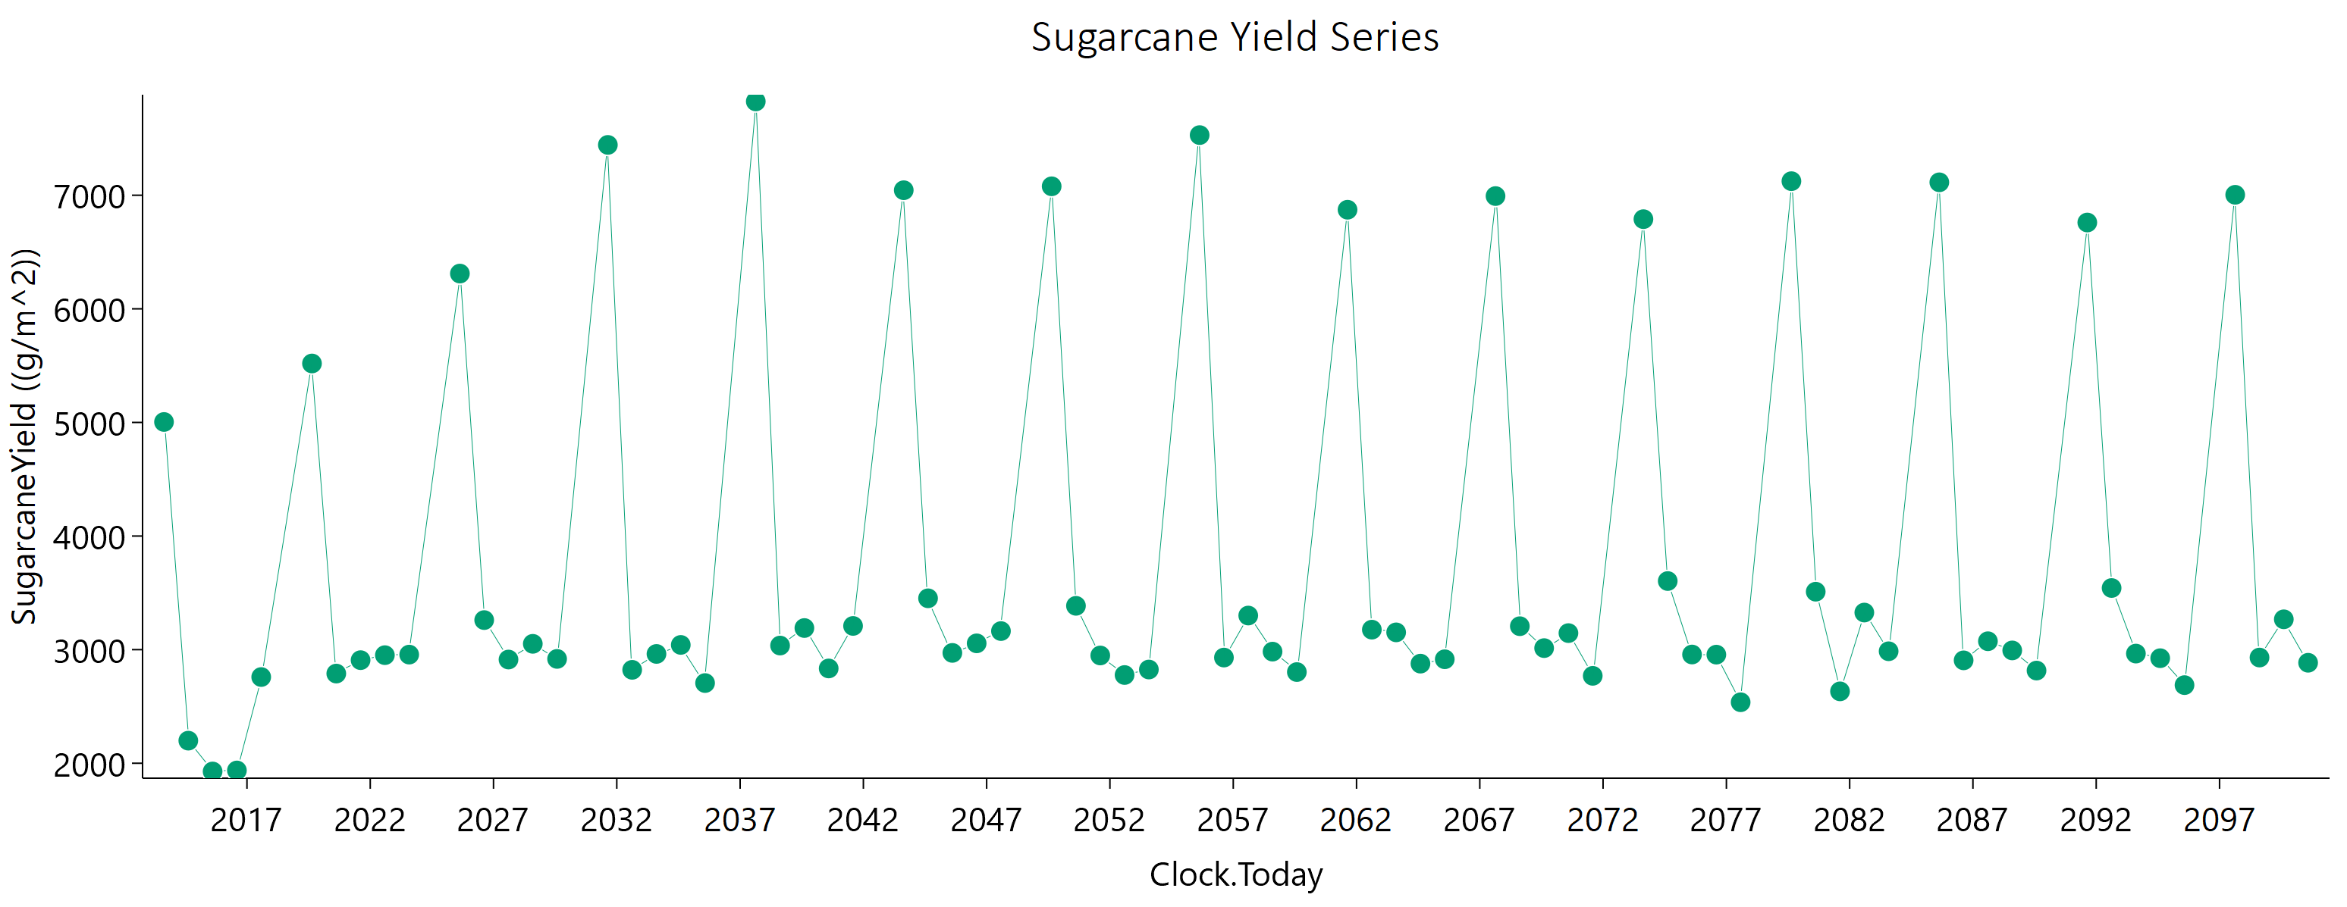
Current | 1 | Sugarcane | 1 | Field | 2019-08-22 | 5518.99 | 2954.91 | 6000 | 0
Current | 1 | Sugarcane | 1 | Field | 2020-08-16 | 2789.31 | 1360.73 | 4261.9987915 | 0
Current | 1 | Sugarcane | 1 | Field | 2021-08-11 | 2907.49 | 1487.41 | 4242.4031408 | 0
Current | 1 | Sugarcane | 1 | Field | 2022-08-06 | 2951.38 | 1434.64 | 4536.8276614 | 0
Current | 1 | Sugarcane | 1 | Field | 2023-08-01 | 2956.22 | 1630.06 | 3967.4042307 | 0
Current | 1 | Sugarcane | 1 | Field | 2025-08-21 | 6310.46 | 4062.26 | 6000 | 0
Current | 1 | Sugarcane | 1 | Field | 2026-08-16 | 3260.13 | 1582.91 | 5017.277008 | 0
Current | 1 | Sugarcane | 1 | Field | 2027-08-11 | 2912.85 | 1603.32 | 3918.3129653 | 0
Current | 1 | Sugarcane | 1 | Field | 2028-08-05 | 3051.16 | 1625 | 4264.6183059 | 0
Current | 1 | Sugarcane | 1 | Field | 2029-07-31 | 2918.36 | 1587.85 | 3977.9386207 | 0
Current | 1 | Sugarcane | 1 | Field | 2031-08-22 | 7443.03 | 4813.05 | 6000 | 0
Current | 1 | Sugarcane | 1 | Field | 2032-08-16 | 2822.19 | 1374.94 | 4319.6370009 | 0
Current | 1 | Sugarcane | 1 | Field | 2033-08-11 | 2962.14 | 1462.1 | 4482.2670404 | 0
Current | 1 | Sugarcane | 1 | Field | 2034-08-06 | 3041.55 | 1643.98 | 4179.7608895 | 0
Current | 1 | Sugarcane | 1 | Field | 2035-08-01 | 2705.89 | 1367.78 | 3992.9255391 | 0
Current | 1 | Sugarcane | 1 | Field | 2037-08-21 | 7825.84 | 5037.79 | 6000 | 0
Current | 1 | Sugarcane | 1 | Field | 2038-08-16 | 3035.94 | 1532.57 | 4493.8134693 | 0
Current | 1 | Sugarcane | 1 | Field | 2039-08-11 | 3190.22 | 1736.1 | 4349.6934854 | 0
Current | 1 | Sugarcane | 1 | Field | 2040-08-05 | 2834.36 | 1460.05 | 4107.0215903 | 0
Current | 1 | Sugarcane | 1 | Field | 2041-08-01 | 3208.63 | 1679.71 | 4564.9878903 | 0
Current | 1 | Sugarcane | 1 | Field | 2043-08-22 | 7044.11 | 4606.38 | 6000 | 0
Current | 1 | Sugarcane | 1 | Field | 2044-08-16 | 3451.98 | 1763.19 | 5048.2275718 | 0
Current | 1 | Sugarcane | 1 | Field | 2045-08-11 | 2971.34 | 1638.56 | 3988.6767103 | 0
Current | 1 | Sugarcane | 1 | Field | 2046-08-06 | 3055.41 | 1613.93 | 4308.1804172 | 0
Current | 1 | Sugarcane | 1 | Field | 2047-08-01 | 3163.39 | 1675.02 | 4446.9196184 | 0
Current | 1 | Sugarcane | 1 | Field | 2049-08-21 | 7078.58 | 4471.45 | 6000 | 0
Current | 1 | Sugarcane | 1 | Field | 2050-08-16 | 3385.6 | 1659.11 | 5160.924018 | 0
Current | 1 | Sugarcane | 1 | Field | 2051-08-11 | 2948.55 | 1551.63 | 4177.1212773 | 0
Current | 1 | Sugarcane | 1 | Field | 2052-08-05 | 2776.55 | 1358.36 | 4232.615845 | 0
Current | 1 | Sugarcane | 1 | Field | 2053-07-31 | 2824.95 | 1350.34 | 4400.7112519 | 0
Current | 1 | Sugarcane | 1 | Field | 2055-08-22 | 7529.34 | 4685.73 | 6000 | 0
Current | 1 | Sugarcane | 1 | Field | 2056-08-16 | 2930.29 | 1449.49 | 4426.5486972 | 0
Current | 1 | Sugarcane | 1 | Field | 2057-08-11 | 3300.06 | 1771.04 | 4574.1249419 | 0
Current | 1 | Sugarcane | 1 | Field | 2058-08-06 | 2982.5 | 1647.57 | 3994.0357854 | 0
Current | 1 | Sugarcane | 1 | Field | 2059-08-01 | 2802.55 | 1374.97 | 4263.8265664 | 0
Current | 1 | Sugarcane | 1 | Field | 2061-08-21 | 6872.38 | 4247.24 | 6000 | 0
Current | 1 | Sugarcane | 1 | Field | 2062-08-16 | 3175.86 | 1499.95 | 5006.9215596 | 0
Current | 1 | Sugarcane | 1 | Field | 2063-08-11 | 3152.06 | 1683.45 | 4393.2789637 | 0
Current | 1 | Sugarcane | 1 | Field | 2064-08-05 | 2876.7 | 1446.02 | 4274.4534467 | 0
Current | 1 | Sugarcane | 1 | Field | 2065-07-31 | 2915.28 | 1415.07 | 4481.591947 | 0
Current | 1 | Sugarcane | 1 | Field | 2067-08-22 | 6992.68 | 4250.55 | 6000 | 0
Current | 1 | Sugarcane | 1 | Field | 2068-08-16 | 3206.33 | 1542.79 | 4965.8716439 | 0
Current | 1 | Sugarcane | 1 | Field | 2069-08-11 | 3013.44 | 1472.04 | 4604.5550724 | 0
Current | 1 | Sugarcane | 1 | Field | 2070-08-06 | 3145.51 | 1764.52 | 4130.1917742 | 0
Current | 1 | Sugarcane | 1 | Field | 2071-08-01 | 2769.36 | 1367.4 | 4189.1777829 | 0
Current | 1 | Sugarcane | 1 | Field | 2073-08-21 | 6789.38 | 4207.5 | 6000 | 0
Current | 1 | Sugarcane | 1 | Field | 2074-08-16 | 3603.84 | 1865.49 | 5196.4213999 | 0
Current | 1 | Sugarcane | 1 | Field | 2075-08-11 | 2957.12 | 1605.49 | 4044.6443008 | 0
Current | 1 | Sugarcane | 1 | Field | 2076-08-05 | 2955.95 | 1507.12 | 4330.365588 | 0
Current | 1 | Sugarcane | 1 | Field | 2077-07-31 | 2536.93 | 1167.3 | 4088.8995226 | 0
Current | 1 | Sugarcane | 1 | Field | 2079-08-22 | 7123.78 | 4201.65 | 6000 | 0
Current | 1 | Sugarcane | 1 | Field | 2080-08-16 | 3509.98 | 1890.44 | 4837.8115185 | 0
Current | 1 | Sugarcane | 1 | Field | 2081-08-11 | 2632.76 | 1301.01 | 3979.5115251 | 0
Current | 1 | Sugarcane | 1 | Field | 2082-08-06 | 3326.4 | 1664.1 | 4961.6124014 | 0
Current | 1 | Sugarcane | 1 | Field | 2083-08-01 | 2985.75 | 1644.07 | 4008.0364776 | 0
Current | 1 | Sugarcane | 1 | Field | 2085-08-21 | 7113.78 | 4418.88 | 6000 | 0
Current | 1 | Sugarcane | 1 | Field | 2086-08-16 | 2905.73 | 1338.13 | 4679.3898394 | 0
Current | 1 | Sugarcane | 1 | Field | 2087-08-11 | 3073.97 | 1491.11 | 4726.2721482 | 0
Current | 1 | Sugarcane | 1 | Field | 2088-08-05 | 2993.09 | 1440.77 | 4638.6080972 | 0
Current | 1 | Sugarcane | 1 | Field | 2089-07-31 | 2815.71 | 1398.7 | 4230.5052873 | 0
Current | 1 | Sugarcane | 1 | Field | 2091-08-22 | 6759.89 | 3987.86 | 6000 | 0
Current | 1 | Sugarcane | 1 | Field | 2092-08-16 | 3542.51 | 1754.32 | 5338.0579995 | 0
Current | 1 | Sugarcane | 1 | Field | 2093-08-11 | 2965.22 | 1613.54 | 4043.2912606 | 0
Current | 1 | Sugarcane | 1 | Field | 2094-08-06 | 2924.61 | 1526 | 4183.2000218 | 0
Current | 1 | Sugarcane | 1 | Field | 2095-08-01 | 2687.66 | 1279.87 | 4204.6052144 | 0
Current | 1 | Sugarcane | 1 | Field | 2097-08-21 | 7003.92 | 4135.34 | 6000 | 0
Current | 1 | Sugarcane | 1 | Field | 2098-08-16 | 2930.41 | 1350.69 | 4716.0664004 | 0
Current | 1 | Sugarcane | 1 | Field | 2099-08-11 | 3267.02 | 1681.56 | 4739.527185 | 0
Current | 1 | Sugarcane | 1 | Field | 2100-08-06 | 2884.44 | 1495.58 | 4150.5867639 | 0

October
CheckpointName | CheckpointID | SimulationName | SimulationID | Zone | Clock.Today | SugarcaneYield | Sugarcane.sucrose_wt | Sugarcane.height | Sugarcane.WaterDemand
Current | 1 | Sugarcane | 1 | Field | 2013-09-20 | 5157.5 | 2987.34 | 6000 | 0 | yield = stem | 288698.7 | g/m^2
Current | 1 | Sugarcane | 1 | Field | 2014-09-16 | 2388.31 | 1088.76 | 3887.4520498 | 0 | sucrose weight | 156840.22 | g/m^2
Current | 1 | Sugarcane | 1 | Field | 2015-09-11 | 2014.9 | 1013.48 | 2991.58034 | 0 | height | 368652.00898 | mm
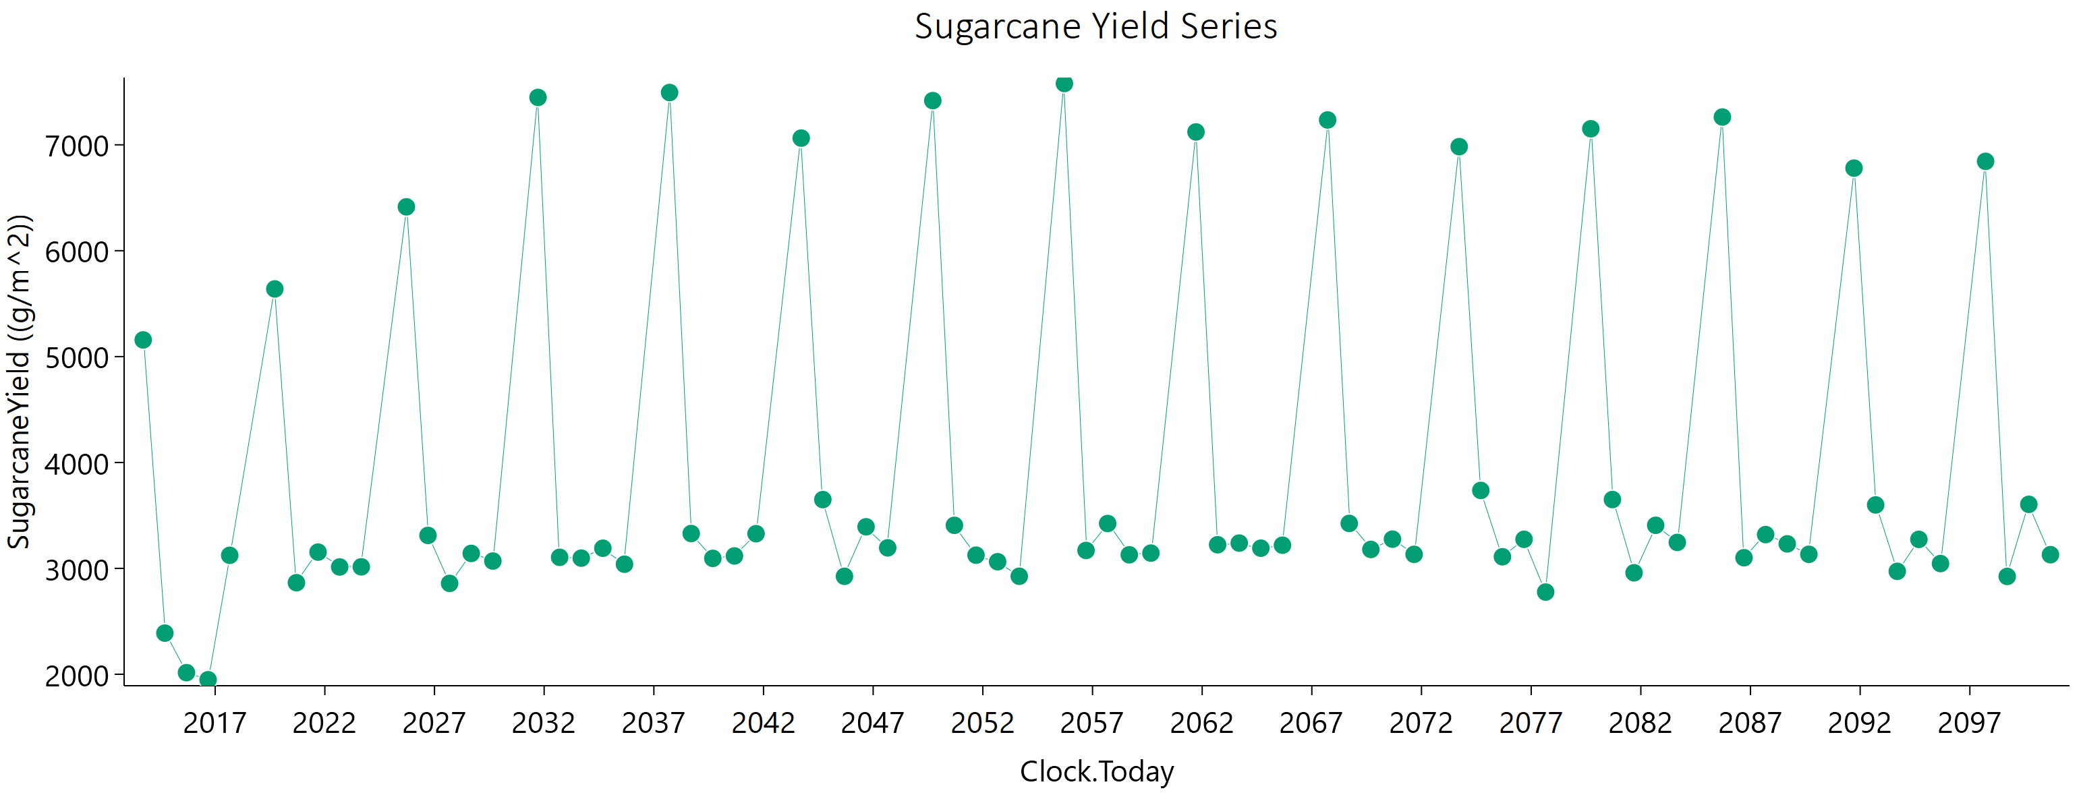
Current | 1 | Sugarcane | 1 | Field | 2016-09-05 | 1947.82 | 947.01 | 2982.3581735 | 0 | water demand | 0 | mm
Current | 1 | Sugarcane | 1 | Field | 2017-08-31 | 3123.17 | 1598.73 | 4559.8649099 | 0
Current | 1 | Sugarcane | 1 | Field | 2019-09-21 | 5638.9 | 3159.84 | 6000 | 0
Current | 1 | Sugarcane | 1 | Field | 2020-09-15 | 2864.57 | 1415.05 | 4321.4927503 | 0
Current | 1 | Sugarcane | 1 | Field | 2021-09-10 | 3153.54 | 1679.31 | 4408.646396 | 0
Current | 1 | Sugarcane | 1 | Field | 2022-09-05 | 3013.12 | 1605.37 | 4208.9003437 | 0
Current | 1 | Sugarcane | 1 | Field | 2023-08-31 | 3014.25 | 1675.08 | 4008.5849949 | 0
Current | 1 | Sugarcane | 1 | Field | 2025-09-20 | 6414.44 | 4110.38 | 6000 | 0
Current | 1 | Sugarcane | 1 | Field | 2026-09-15 | 3311.03 | 1667.14 | 4921.3788802 | 0
Current | 1 | Sugarcane | 1 | Field | 2027-09-10 | 2858.05 | 1497.5 | 4073.7188563 | 0
Current | 1 | Sugarcane | 1 | Field | 2028-09-04 | 3140.9 | 1674.85 | 4388.7800761 | 0
Current | 1 | Sugarcane | 1 | Field | 2029-08-30 | 3069.14 | 1628.33 | 4311.6240038 | 0
Current | 1 | Sugarcane | 1 | Field | 2031-09-21 | 7447.74 | 4842.54 | 6000 | 0
Current | 1 | Sugarcane | 1 | Field | 2032-09-15 | 3104.15 | 1438.89 | 4977.6464799 | 0
Current | 1 | Sugarcane | 1 | Field | 2033-09-10 | 3096.47 | 1600.14 | 4479.3067645 | 0
Current | 1 | Sugarcane | 1 | Field | 2034-09-05 | 3190 | 1692.42 | 4482.5233072 | 0
Current | 1 | Sugarcane | 1 | Field | 2035-08-31 | 3039.11 | 1556.94 | 4434.2399868 | 0
Current | 1 | Sugarcane | 1 | Field | 2037-09-20 | 7494.17 | 4820.41 | 6000 | 0
Current | 1 | Sugarcane | 1 | Field | 2038-09-15 | 3328.95 | 1532.61 | 5371.0842589 | 0
Current | 1 | Sugarcane | 1 | Field | 2039-09-10 | 3094.15 | 1645.17 | 4338.007019 | 0
Current | 1 | Sugarcane | 1 | Field | 2040-09-04 | 3117.15 | 1476.63 | 4905.5586202 | 0
Current | 1 | Sugarcane | 1 | Field | 2041-08-30 | 3327.4 | 1780.66 | 4627.0630169 | 0
Current | 1 | Sugarcane | 1 | Field | 2043-09-21 | 7063.45 | 4556.36 | 6000 | 0
Current | 1 | Sugarcane | 1 | Field | 2044-09-15 | 3649.3 | 1772.95 | 5617.2271733 | 0
Current | 1 | Sugarcane | 1 | Field | 2045-09-10 | 2924.81 | 1535.21 | 4160.7940458 | 0
Current | 1 | Sugarcane | 1 | Field | 2046-09-05 | 3392.5 | 1676.36 | 5131.7022916 | 0
Current | 1 | Sugarcane | 1 | Field | 2047-08-31 | 3193.7 | 1715.68 | 4422.6027322 | 0
Current | 1 | Sugarcane | 1 | Field | 2049-09-20 | 7417.58 | 4711.49 | 6000 | 0
Current | 1 | Sugarcane | 1 | Field | 2050-09-15 | 3406.46 | 1549.67 | 5553.1657518 | 0
Current | 1 | Sugarcane | 1 | Field | 2051-09-10 | 3124.47 | 1647.58 | 4421.2850886 | 0
Current | 1 | Sugarcane | 1 | Field | 2052-09-04 | 3062.59 | 1418.59 | 4913.0443461 | 0
Current | 1 | Sugarcane | 1 | Field | 2053-08-30 | 2925.37 | 1305.23 | 4838.983228 | 0
Current | 1 | Sugarcane | 1 | Field | 2055-09-21 | 7579.16 | 4862.27 | 6000 | 0
Current | 1 | Sugarcane | 1 | Field | 2056-09-15 | 3169.02 | 1425.98 | 5208.3849706 | 0
Current | 1 | Sugarcane | 1 | Field | 2057-09-10 | 3423.63 | 1831.94 | 4763.5852863 | 0
Current | 1 | Sugarcane | 1 | Field | 2058-09-05 | 3128 | 1684.92 | 4318.5078266 | 0
Current | 1 | Sugarcane | 1 | Field | 2059-08-31 | 3143.91 | 1552.79 | 4757.9186629 | 0
Current | 1 | Sugarcane | 1 | Field | 2061-09-20 | 7121.66 | 4511.77 | 6000 | 0
Current | 1 | Sugarcane | 1 | Field | 2062-09-15 | 3222.95 | 1395.03 | 5461.7680515 | 0
Current | 1 | Sugarcane | 1 | Field | 2063-09-10 | 3238.65 | 1694.33 | 4621.3762107 | 0
Current | 1 | Sugarcane | 1 | Field | 2064-09-04 | 3190.55 | 1567.01 | 4857.2608276 | 0
Current | 1 | Sugarcane | 1 | Field | 2065-08-30 | 3218.51 | 1573.92 | 4916.2197768 | 0
Current | 1 | Sugarcane | 1 | Field | 2067-09-21 | 7234.82 | 4562.02 | 6000 | 0
Current | 1 | Sugarcane | 1 | Field | 2068-09-15 | 3424.42 | 1500.72 | 5743.1428382 | 0
Current | 1 | Sugarcane | 1 | Field | 2069-09-10 | 3178.63 | 1656.08 | 4558.2059185 | 0
Current | 1 | Sugarcane | 1 | Field | 2070-09-05 | 3275.78 | 1753.76 | 4553.3458394 | 0
Current | 1 | Sugarcane | 1 | Field | 2071-08-31 | 3132.36 | 1514.45 | 4835.764401 | 0
Current | 1 | Sugarcane | 1 | Field | 2073-09-20 | 6982.71 | 4460.74 | 6000 | 0
Current | 1 | Sugarcane | 1 | Field | 2074-09-15 | 3735.96 | 1724.89 | 6000 | 0
Current | 1 | Sugarcane | 1 | Field | 2075-09-10 | 3109.6 | 1660.66 | 4337.696908 | 0
Current | 1 | Sugarcane | 1 | Field | 2076-09-04 | 3274.3 | 1628.6 | 4919.6801133 | 0
Current | 1 | Sugarcane | 1 | Field | 2077-08-30 | 2776.27 | 1246.01 | 4569.8851872 | 0
Current | 1 | Sugarcane | 1 | Field | 2079-09-21 | 7151.87 | 4398.66 | 6000 | 0
Current | 1 | Sugarcane | 1 | Field | 2080-09-15 | 3649.93 | 1763.95 | 5636.1210067 | 0
Current | 1 | Sugarcane | 1 | Field | 2081-09-10 | 2958.21 | 1499.05 | 4369.0287932 | 0
Current | 1 | Sugarcane | 1 | Field | 2082-09-05 | 3406.59 | 1622.32 | 5331.1864025 | 0
Current | 1 | Sugarcane | 1 | Field | 2083-08-31 | 3245.04 | 1816.09 | 4274.6241548 | 0
Current | 1 | Sugarcane | 1 | Field | 2085-09-20 | 7262.58 | 4572.77 | 6000 | 0
Current | 1 | Sugarcane | 1 | Field | 2086-09-15 | 3100.37 | 1297.27 | 5384.6364568 | 0
Current | 1 | Sugarcane | 1 | Field | 2087-09-10 | 3318.97 | 1564.13 | 5246.8928395 | 0
Current | 1 | Sugarcane | 1 | Field | 2088-09-04 | 3231.23 | 1607.17 | 4857.709196 | 0
Current | 1 | Sugarcane | 1 | Field | 2089-08-30 | 3132.6 | 1551.3 | 4726.6585239 | 0
Current | 1 | Sugarcane | 1 | Field | 2091-09-21 | 6779.99 | 4160.15 | 6000 | 0
Current | 1 | Sugarcane | 1 | Field | 2092-09-15 | 3599.1 | 1597.91 | 5978.2436215 | 0
Current | 1 | Sugarcane | 1 | Field | 2093-09-10 | 2971.89 | 1586.52 | 4146.7808731 | 0
Current | 1 | Sugarcane | 1 | Field | 2094-09-05 | 3273.76 | 1610.69 | 4971.6034852 | 0
Current | 1 | Sugarcane | 1 | Field | 2095-08-31 | 3045.26 | 1421.56 | 4850.7910331 | 0
Current | 1 | Sugarcane | 1 | Field | 2097-09-20 | 6844.03 | 4203.23 | 6000 | 0
Current | 1 | Sugarcane | 1 | Field | 2098-09-15 | 2923.74 | 1227.58 | 5063.8634731 | 0
Current | 1 | Sugarcane | 1 | Field | 2099-09-10 | 3604.58 | 1836.71 | 5290.0885616 | 0
Current | 1 | Sugarcane | 1 | Field | 2100-09-05 | 3128.91 | 1671.57 | 4362.4218569 | 0

November
CheckpointName | CheckpointID | SimulationName | SimulationID | Zone | Clock.Today | SugarcaneYield | Sugarcane.sucrose_wt | Sugarcane.height | Sugarcane.WaterDemand
Current | 1 | Sugarcane | 1 | Field | 2013-10-21 | 5339.91 | 2943.68 | 6000 | 0 | yield = stem | 299159.29 | g/m^2
Current | 1 | Sugarcane | 1 | Field | 2014-10-16 | 2733.73 | 1395.84 | 4004.377682 | 0 | sucrose weight | 161369.2 | g/m^2
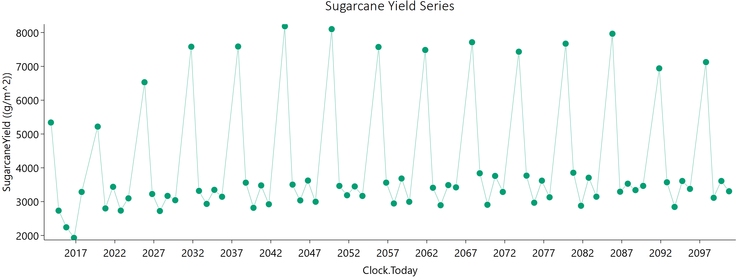
Current | 1 | Sugarcane | 1 | Field | 2015-10-11 | 2241.1 | 1113.14 | 3375.9542516 | 0 | height | 377518.61449 | mm
Current | 1 | Sugarcane | 1 | Field | 2016-10-05 | 1929.35 | 957.88 | 2896.0032316 | 0 | water demand | 0 | mm
Current | 1 | Sugarcane | 1 | Field | 2017-09-30 | 3286.59 | 1736.95 | 4640.4930119 | 0
Current | 1 | Sugarcane | 1 | Field | 2019-10-22 | 5218.4 | 3131.85 | 6000 | 0
Current | 1 | Sugarcane | 1 | Field | 2020-10-16 | 2799.72 | 1334.79 | 4383.6952393 | 0
Current | 1 | Sugarcane | 1 | Field | 2021-10-11 | 3437.41 | 1781.45 | 4956.3047861 | 0
Current | 1 | Sugarcane | 1 | Field | 2022-10-06 | 2735.07 | 1481.67 | 3749.1700544 | 0
Current | 1 | Sugarcane | 1 | Field | 2023-10-01 | 3097.87 | 1659.72 | 4306.3850649 | 0
Current | 1 | Sugarcane | 1 | Field | 2025-10-21 | 6530.34 | 4245.33 | 6000 | 0
Current | 1 | Sugarcane | 1 | Field | 2026-10-16 | 3225.89 | 1641.75 | 4744.0021231 | 0
Current | 1 | Sugarcane | 1 | Field | 2027-10-11 | 2723.47 | 1359.44 | 4087.0477668 | 0
Current | 1 | Sugarcane | 1 | Field | 2028-10-05 | 3169.24 | 1596.81 | 4709.9599028 | 0
Current | 1 | Sugarcane | 1 | Field | 2029-09-30 | 3042.73 | 1539.7 | 4499.8909349 | 0
Current | 1 | Sugarcane | 1 | Field | 2031-10-22 | 7580.34 | 4929.41 | 6000 | 0
Current | 1 | Sugarcane | 1 | Field | 2032-10-16 | 3318.56 | 1654.73 | 4982.4551508 | 0
Current | 1 | Sugarcane | 1 | Field | 2033-10-11 | 2933.57 | 1462.26 | 4407.7959347 | 0
Current | 1 | Sugarcane | 1 | Field | 2034-10-06 | 3348.46 | 1723.53 | 4866.0275869 | 0
Current | 1 | Sugarcane | 1 | Field | 2035-10-01 | 3144.67 | 1601.69 | 4619.7759411 | 0
Current | 1 | Sugarcane | 1 | Field | 2037-10-22 | 7587 | 4848.83 | 6000 | 0
Current | 1 | Sugarcane | 1 | Field | 2038-10-17 | 3560.66 | 1744.93 | 5436.9107831 | 0
Current | 1 | Sugarcane | 1 | Field | 2039-10-12 | 2817.52 | 1435.48 | 4140.5997307 | 0
Current | 1 | Sugarcane | 1 | Field | 2040-10-06 | 3479.48 | 1624.25 | 5554.9170089 | 0
Current | 1 | Sugarcane | 1 | Field | 2041-10-01 | 2923.23 | 1510.26 | 4230.3798191 | 0
Current | 1 | Sugarcane | 1 | Field | 2043-10-22 | 8185.37 | 5145.64 | 6000 | 0
Current | 1 | Sugarcane | 1 | Field | 2044-10-16 | 3503.36 | 1839.56 | 4982.8091236 | 0
Current | 1 | Sugarcane | 1 | Field | 2045-10-11 | 3036.73 | 1501.1 | 4600.6202647 | 0
Current | 1 | Sugarcane | 1 | Field | 2046-10-06 | 3623.12 | 1806.26 | 5440.0297582 | 0
Current | 1 | Sugarcane | 1 | Field | 2047-10-01 | 2996.9 | 1534.77 | 4377.5829157 | 0
Current | 1 | Sugarcane | 1 | Field | 2049-10-22 | 8101.24 | 4651.48 | 6000 | 0
Current | 1 | Sugarcane | 1 | Field | 2050-10-17 | 3464.75 | 1767.01 | 5084.6022721 | 0
Current | 1 | Sugarcane | 1 | Field | 2051-10-12 | 3188.95 | 1654.17 | 4597.1908327 | 0
Current | 1 | Sugarcane | 1 | Field | 2052-10-06 | 3449.49 | 1630.8 | 5441.3740979 | 0
Current | 1 | Sugarcane | 1 | Field | 2053-10-01 | 3168.68 | 1594.13 | 4712.8515358 | 0
Current | 1 | Sugarcane | 1 | Field | 2055-10-23 | 7572.87 | 4888.37 | 6000 | 0
Current | 1 | Sugarcane | 1 | Field | 2056-10-17 | 3561.61 | 1637.55 | 5758.6131327 | 0
Current | 1 | Sugarcane | 1 | Field | 2057-10-12 | 2945.91 | 1542.5 | 4204.0804165 | 0
Current | 1 | Sugarcane | 1 | Field | 2058-10-07 | 3683.22 | 1847.45 | 5494.4441147 | 0
Current | 1 | Sugarcane | 1 | Field | 2059-10-02 | 2995.98 | 1543.28 | 4350.9424127 | 0
Current | 1 | Sugarcane | 1 | Field | 2061-10-21 | 7484.25 | 4654.09 | 6000 | 0
Current | 1 | Sugarcane | 1 | Field | 2062-10-16 | 3410.63 | 1460.93 | 5832.6347577 | 0
Current | 1 | Sugarcane | 1 | Field | 2063-10-11 | 2893.91 | 1472.2 | 4258.4729605 | 0
Current | 1 | Sugarcane | 1 | Field | 2064-10-05 | 3488.74 | 1515.32 | 5902.1610491 | 0
Current | 1 | Sugarcane | 1 | Field | 2065-09-30 | 3422.08 | 1779.07 | 4917.7774777 | 0
Current | 1 | Sugarcane | 1 | Field | 2067-10-22 | 7713.13 | 4710.11 | 6000 | 0
Current | 1 | Sugarcane | 1 | Field | 2068-10-16 | 3838.77 | 1769.87 | 6000 | 0
Current | 1 | Sugarcane | 1 | Field | 2069-10-11 | 2907.47 | 1509.53 | 4187.4007315 | 0
Current | 1 | Sugarcane | 1 | Field | 2070-10-06 | 3759.95 | 1885.2 | 5613.2787805 | 0
Current | 1 | Sugarcane | 1 | Field | 2071-10-01 | 3287.21 | 1723.64 | 4680.6310923 | 0
Current | 1 | Sugarcane | 1 | Field | 2073-10-21 | 7433.28 | 4715.48 | 6000 | 0
Current | 1 | Sugarcane | 1 | Field | 2074-10-16 | 3768.5 | 1759.47 | 6000 | 0
Current | 1 | Sugarcane | 1 | Field | 2075-10-11 | 2968.06 | 1530.11 | 4307.8146422 | 0
Current | 1 | Sugarcane | 1 | Field | 2076-10-05 | 3620 | 1655.33 | 5876.4494255 | 0
Current | 1 | Sugarcane | 1 | Field | 2077-09-30 | 3129.63 | 1548.91 | 4731.5196838 | 0
Current | 1 | Sugarcane | 1 | Field | 2079-10-22 | 7671.04 | 4571.52 | 6000 | 0
Current | 1 | Sugarcane | 1 | Field | 2080-10-16 | 3854.2 | 1836.75 | 6000 | 0
Current | 1 | Sugarcane | 1 | Field | 2081-10-11 | 2877.94 | 1489.76 | 4158.4592512 | 0
Current | 1 | Sugarcane | 1 | Field | 2082-10-06 | 3706.96 | 1650.41 | 6000 | 0
Current | 1 | Sugarcane | 1 | Field | 2083-10-01 | 3146.01 | 1671.35 | 4414.6527503 | 0
Current | 1 | Sugarcane | 1 | Field | 2085-10-21 | 7964.66 | 4747.69 | 6000 | 0
Current | 1 | Sugarcane | 1 | Field | 2086-10-16 | 3293.67 | 1404.5 | 5645.7088432 | 0
Current | 1 | Sugarcane | 1 | Field | 2087-10-11 | 3530.11 | 1826.35 | 5101.7881882 | 0
Current | 1 | Sugarcane | 1 | Field | 2088-10-05 | 3341.37 | 1748.93 | 4769.414749 | 0
Current | 1 | Sugarcane | 1 | Field | 2089-09-30 | 3465.83 | 1692.73 | 5306.5805506 | 0
Current | 1 | Sugarcane | 1 | Field | 2091-10-22 | 6940.85 | 4337.67 | 6000 | 0
Current | 1 | Sugarcane | 1 | Field | 2092-10-16 | 3571.94 | 1468.85 | 6000 | 0
Current | 1 | Sugarcane | 1 | Field | 2093-10-11 | 2843.63 | 1462.2 | 4137.4662629 | 0
Current | 1 | Sugarcane | 1 | Field | 2094-10-06 | 3610.09 | 1682.91 | 5765.5430445 | 0
Current | 1 | Sugarcane | 1 | Field | 2095-10-01 | 3377.02 | 1734.19 | 4917.4781634 | 0
Current | 1 | Sugarcane | 1 | Field | 2097-10-21 | 7125.56 | 4416.3 | 6000 | 0
Current | 1 | Sugarcane | 1 | Field | 2098-10-16 | 3113.79 | 1276.81 | 5488.677352 | 0
Current | 1 | Sugarcane | 1 | Field | 2099-10-11 | 3610.12 | 1884.54 | 5167.6511194 | 0
Current | 1 | Sugarcane | 1 | Field | 2100-10-06 | 3306.4 | 1737.04 | 4699.7667312 | 0

December
CheckpointName | CheckpointID | SimulationName | SimulationID | Zone | Clock.Today | SugarcaneYield | Sugarcane.sucrose_wt | Sugarcane.height | Sugarcane.WaterDemand
Current | 1 | Sugarcane | 1 | Field | 2013-11-20 | 5530.22 | 2904.24 | 6000 | 0 | yield = stem | 301393.12 | g/m^2
Current | 1 | Sugarcane | 1 | Field | 2014-11-15 | 2859.56 | 1526.34 | 3991.7960479 | 0 | sucrose weight | 159856.21 | g/m^2
Current | 1 | Sugarcane | 1 | Field | 2015-11-10 | 2568.35 | 1300.68 | 3790.0036878 | 0 | height | 375457.12403 | mm
Current | 1 | Sugarcane | 1 | Field | 2016-11-04 | 2137.92 | 984.96 | 3443.15405 | 0 | water demand | 0 | mm
Current | 1 | Sugarcane | 1 | Field | 2017-10-30 | 3158.93 | 1647.85 | 4522.9377964 | 0
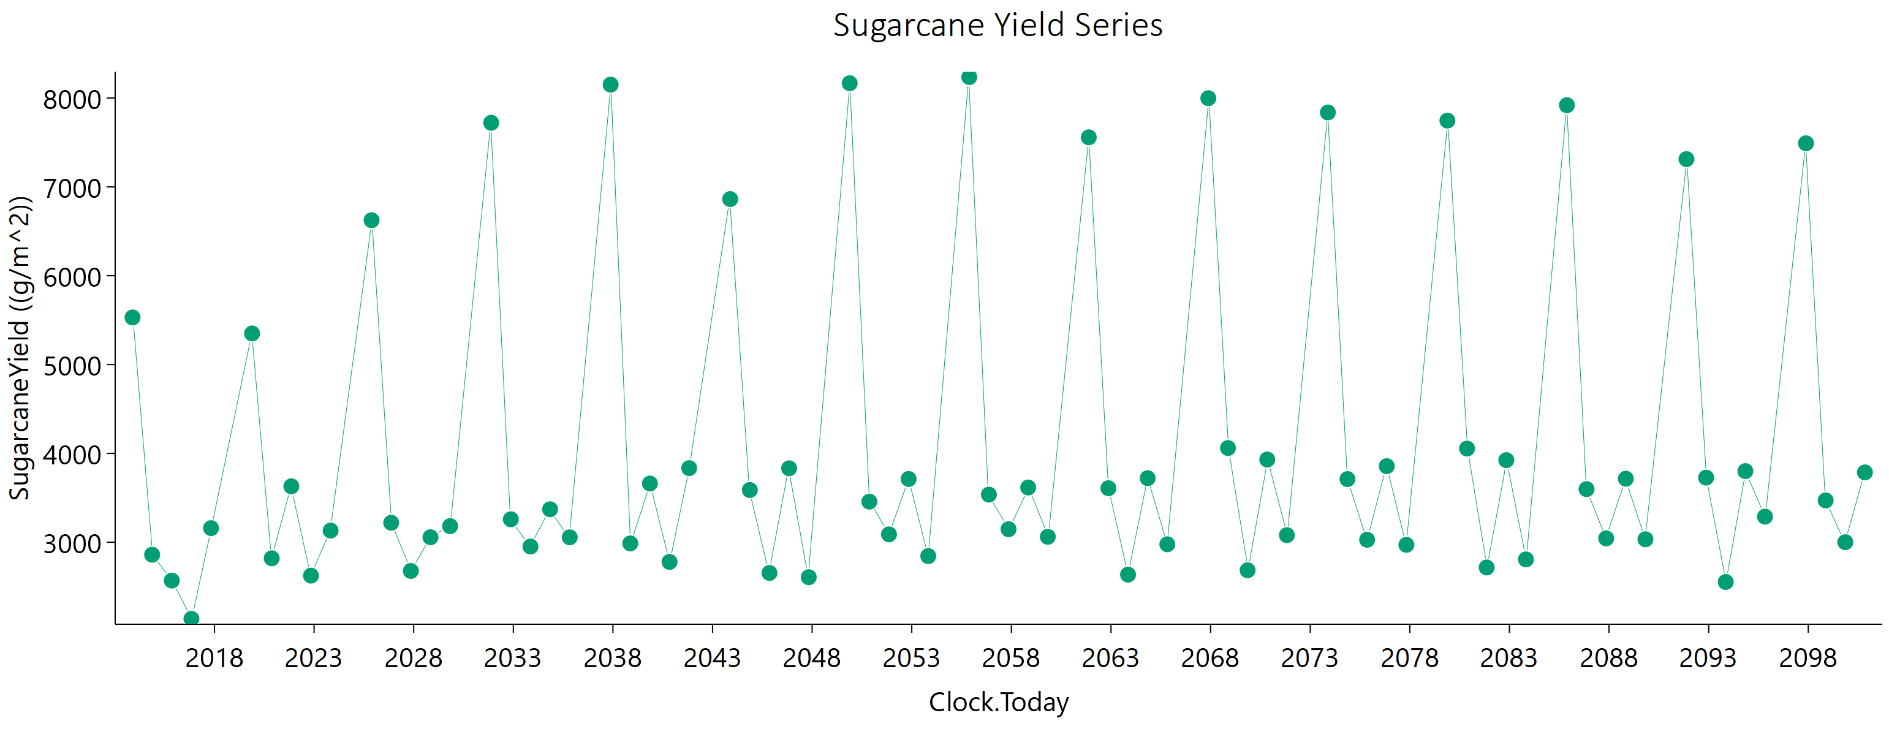
Current | 1 | Sugarcane | 1 | Field | 2019-11-21 | 5350.02 | 3267.64 | 6000 | 0
Current | 1 | Sugarcane | 1 | Field | 2020-11-15 | 2819.34 | 1295.48 | 4550.42501 | 0
Current | 1 | Sugarcane | 1 | Field | 2021-11-10 | 3629.52 | 1804.1 | 5459.3244116 | 0
Current | 1 | Sugarcane | 1 | Field | 2022-11-05 | 2624.1 | 1437.45 | 3552.3762256 | 0
Current | 1 | Sugarcane | 1 | Field | 2023-10-31 | 3131.35 | 1665.66 | 4390.4604971 | 0
Current | 1 | Sugarcane | 1 | Field | 2025-11-20 | 6625.04 | 4372.33 | 6000 | 0
Current | 1 | Sugarcane | 1 | Field | 2026-11-15 | 3219.21 | 1651.08 | 4698.5704462 | 0
Current | 1 | Sugarcane | 1 | Field | 2027-11-10 | 2676.88 | 1343.7 | 3996.0970606 | 0
Current | 1 | Sugarcane | 1 | Field | 2028-11-04 | 3056.24 | 1528.65 | 4578.1768922 | 0
Current | 1 | Sugarcane | 1 | Field | 2029-10-30 | 3181.42 | 1602.22 | 4730.0282573 | 0
Current | 1 | Sugarcane | 1 | Field | 2031-11-22 | 7721.65 | 5023.8 | 6000 | 0
Current | 1 | Sugarcane | 1 | Field | 2032-11-16 | 3258.43 | 1713.51 | 4629.1585729 | 0
Current | 1 | Sugarcane | 1 | Field | 2033-11-11 | 2951.82 | 1479.95 | 4411.239176 | 0
Current | 1 | Sugarcane | 1 | Field | 2034-11-06 | 3371.27 | 1730.12 | 4916.9787624 | 0
Current | 1 | Sugarcane | 1 | Field | 2035-11-01 | 3055.5 | 1540.48 | 4539.3043339 | 0
Current | 1 | Sugarcane | 1 | Field | 2037-11-20 | 8150.85 | 4974.11 | 6000 | 0
Current | 1 | Sugarcane | 1 | Field | 2038-11-15 | 2986.9 | 1531.39 | 4361.9294055 | 0
Current | 1 | Sugarcane | 1 | Field | 2039-11-10 | 3660.94 | 1888.99 | 5309.562656 | 0
Current | 1 | Sugarcane | 1 | Field | 2040-11-04 | 2778.49 | 1398.05 | 4137.2075664 | 0
Current | 1 | Sugarcane | 1 | Field | 2041-10-30 | 3834.16 | 1857.1 | 5921.0972198 | 0
Current | 1 | Sugarcane | 1 | Field | 2043-11-21 | 6862.59 | 4470.45 | 6000 | 0
Current | 1 | Sugarcane | 1 | Field | 2044-11-15 | 3587.74 | 1866.93 | 5156.7285614 | 0
Current | 1 | Sugarcane | 1 | Field | 2045-11-10 | 2653.97 | 1329.12 | 3971.0975201 | 0
Current | 1 | Sugarcane | 1 | Field | 2046-11-05 | 3832.5 | 1819.63 | 6000 | 0
Current | 1 | Sugarcane | 1 | Field | 2047-10-31 | 2606.37 | 1311.54 | 3879.6798208 | 0
Current | 1 | Sugarcane | 1 | Field | 2049-11-20 | 8166.86 | 4680.02 | 6000 | 0
Current | 1 | Sugarcane | 1 | Field | 2050-11-15 | 3457.14 | 1761.63 | 5080.0062445 | 0
Current | 1 | Sugarcane | 1 | Field | 2051-11-10 | 3088.81 | 1611.58 | 4427.0533964 | 0
Current | 1 | Sugarcane | 1 | Field | 2052-11-04 | 3712.26 | 1765.99 | 5829.7377058 | 0
Current | 1 | Sugarcane | 1 | Field | 2053-10-30 | 2844.35 | 1458.29 | 4152.5573195 | 0
Current | 1 | Sugarcane | 1 | Field | 2055-11-21 | 8235.88 | 4984.86 | 6000 | 0
Current | 1 | Sugarcane | 1 | Field | 2056-11-15 | 3536.29 | 1826.32 | 5123.1729189 | 0
Current | 1 | Sugarcane | 1 | Field | 2057-11-10 | 3146.71 | 1663.12 | 4445.9245506 | 0
Current | 1 | Sugarcane | 1 | Field | 2058-11-05 | 3616.2 | 1849.72 | 5292.3706558 | 0
Current | 1 | Sugarcane | 1 | Field | 2059-10-31 | 3061.2 | 1562.48 | 4489.5976357 | 0
Current | 1 | Sugarcane | 1 | Field | 2061-11-20 | 7557.75 | 4573.39 | 6000 | 0
Current | 1 | Sugarcane | 1 | Field | 2062-11-15 | 3608.19 | 1617.19 | 5961.263717 | 0
Current | 1 | Sugarcane | 1 | Field | 2063-11-10 | 2635.54 | 1330.97 | 3909.7245378 | 0
Current | 1 | Sugarcane | 1 | Field | 2064-11-04 | 3721.17 | 1553.06 | 6000 | 0
Current | 1 | Sugarcane | 1 | Field | 2065-10-30 | 2976.92 | 1557.39 | 4252.4622565 | 0
Current | 1 | Sugarcane | 1 | Field | 2067-11-21 | 7998.24 | 4556.34 | 6000 | 0
Current | 1 | Sugarcane | 1 | Field | 2068-11-15 | 4060.43 | 1994.25 | 6000 | 0
Current | 1 | Sugarcane | 1 | Field | 2069-11-10 | 2684.6 | 1387.96 | 3886.2654584 | 0
Current | 1 | Sugarcane | 1 | Field | 2070-11-05 | 3930.85 | 1893.71 | 6000 | 0
Current | 1 | Sugarcane | 1 | Field | 2071-10-31 | 3079.78 | 1598.77 | 4436.1611732 | 0
Current | 1 | Sugarcane | 1 | Field | 2073-11-20 | 7837.77 | 4708.15 | 6000 | 0
Current | 1 | Sugarcane | 1 | Field | 2074-11-15 | 3710.93 | 1847.49 | 5582.5843854 | 0
Current | 1 | Sugarcane | 1 | Field | 2075-11-10 | 3028.15 | 1588.22 | 4314.3656255 | 0
Current | 1 | Sugarcane | 1 | Field | 2076-11-04 | 3856.24 | 1877.22 | 5927.7169137 | 0
Current | 1 | Sugarcane | 1 | Field | 2077-10-30 | 2971.11 | 1555.59 | 4239.8787519 | 0
Current | 1 | Sugarcane | 1 | Field | 2079-11-21 | 7746.32 | 4438.87 | 6000 | 0
Current | 1 | Sugarcane | 1 | Field | 2080-11-15 | 4054.51 | 1989.45 | 6000 | 0
Current | 1 | Sugarcane | 1 | Field | 2081-11-10 | 2715.98 | 1409.7 | 3913.9486189 | 0
Current | 1 | Sugarcane | 1 | Field | 2082-11-05 | 3924.16 | 1638.16 | 6000 | 0
Current | 1 | Sugarcane | 1 | Field | 2083-10-31 | 2806.85 | 1465.33 | 4018.8349012 | 0
Current | 1 | Sugarcane | 1 | Field | 2085-11-20 | 7919.45 | 4426.74 | 6000 | 0
Current | 1 | Sugarcane | 1 | Field | 2086-11-15 | 3597.82 | 1553.09 | 6000 | 0
Current | 1 | Sugarcane | 1 | Field | 2087-11-10 | 3043.95 | 1614.15 | 4284.07538 | 0
Current | 1 | Sugarcane | 1 | Field | 2088-11-04 | 3715.33 | 1667.08 | 6000 | 0
Current | 1 | Sugarcane | 1 | Field | 2089-10-30 | 3033.56 | 1589.83 | 4325.1178321 | 0
Current | 1 | Sugarcane | 1 | Field | 2091-11-21 | 7312.53 | 4179.98 | 6000 | 0
Current | 1 | Sugarcane | 1 | Field | 2092-11-15 | 3727.21 | 1453.05 | 6000 | 0
Current | 1 | Sugarcane | 1 | Field | 2093-11-10 | 2552.72 | 1296.09 | 3765.984647 | 0
Current | 1 | Sugarcane | 1 | Field | 2094-11-05 | 3800.69 | 1617.03 | 6000 | 0
Current | 1 | Sugarcane | 1 | Field | 2095-10-31 | 3288.5 | 1751.26 | 4603.3109921 | 0
Current | 1 | Sugarcane | 1 | Field | 2097-11-20 | 7491.41 | 4049.01 | 6000 | 0
Current | 1 | Sugarcane | 1 | Field | 2098-11-16 | 3470.77 | 1382.23 | 6000 | 0
Current | 1 | Sugarcane | 1 | Field | 2099-11-11 | 3000.57 | 1579.49 | 4257.6744348 | 0
Current | 1 | Sugarcane | 1 | Field | 2100-11-06 | 3786.14 | 1684.41 | 6000 | 0

